Order
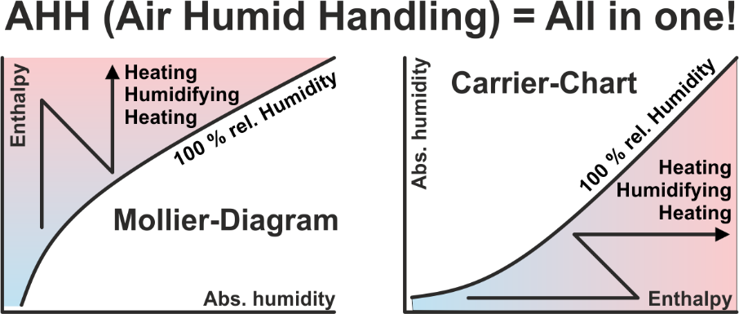
The AHH software contains 17 applications, including the GHH application. With the software AHH you can calculate and display all processes with humid air in the Mollier-HX-Diagram. The GHH software can be used to calculate and display the cooling process for any gases and vapors in the Mollier-TX-Diagram. This software is aimed at process engineers who want to condense and recover environmentally harmful vapors. There is tax-free software, where you have to find frequently, that if something does not cost anything, this is also not a lot of value. There is software, which costs only half of it, where you have to say, that this software perhaps offers even half the possibilities only. There is our software, which is used by more than 8.000 engineers worldwide. It can be selected between single licenses and network licenses. In which the price for network licenses depends on how many users want to use the software at the same time at any workplace in the entire network.

AHH in high language |  | Mollier-Diagram & Psychrometric-Chart, air processes, meteorological data
DWT in high language |  | Conversion: Temperature - Rel. Humidity - Abs. Humidity
MDI in high language |  | Meteorological data interface, service time selection
TEM in high language |  | Calculation of all mean logarithmic temperature differences
GLY in high language |  | Brine properties and efficiency comparison for CC-Systems
FRO in high language |  | Calculation of the defrosting time of finned heat exchangers
RFT in high language |  | Calculation of the rib foot temperature in air coolers
REF in high language |  | Subcritical: Optimize the process in refrigerant circuits
HPD in high language |  | Calculation of two-stage heat pumps for various refrigerants |  |  |  |  |  |  | These two applications will be included in the package, starting January 1, 2027. Customers who order earlier, will receive the two applications as a free upgrade upon request.
HPC in high language |  | Calculation of two-stage heat pumps for CO2, high-pressure supercritical stage
KES in high language |  | Calculation of ice storages for cold water production 6/12°C
HDH in high language |  | Calculation of heating degree days and cooling degree days
MRM in high language |  | Cooling requirements in midsummer - Meteorological risk management
CLR in high language |  | Calculation of the cooling load of rooms
HLR in high language |  | Calculation of the heating load of rooms
AHU in high language |  | Neutral Air-Handling-Unit configurator for projects
GHH in high language |  | Mollier-Diagram for gas-steam mixtures to condensing the steam

1 | German |  |  |  |  |  |  | High-language applications can be tested for 30 days! | 1 | Diese beiden Applikationen werden ab dem 1. Januar 2027 im Paket enthalten sein. Kunden, die früher bestellen, erhalten die beiden Applikationen auf Anfrage als kostenloses Upgrade.
2 | English |  |  |  |  |  |  | All prices are one-time costs! | 2 | These two applications will be included in the package, starting January 1, 2027. Customers who order earlier, will receive the two applications as a free upgrade upon request.
3 | Italian |  |  |  |  |  |  | For customers abroad, no VAT is due. | 3 | A partire dal 1° gennaio 2027, queste due applicazioni saranno incluse nel pacchetto. I clienti che effett. l'ordine prima di tale data, riceveranno le due applicazioni gratuitamente, su richiesta.
4 | French |  |  |  |  |  |  | For customers in Switzerland, an additional VAT of 8.1% is due. | 4 | Ces deux applications seront incluses dans le pack à compter du 1er janvier 2027. Les clients qui commanderont avant cette date, recevront ces deux applications gratuitement sur demande.
2 | Language |  |  |  |  |  |  | Upon receipt of your order you receive our invoice with our bank account.
 |  |  |  |  |  |  |  | If you order Excel applications, we need additional your company-logo as bitmap by E-Mail.
1 | CHF | 0.943
2 | EUR | 1.000 |  |  | Your selection:
3 | USD | 1.141 |  |  | From the page: High-language applications | EUR | 0.00
2 | Currency |  |  |  | From the page: Excel applications 1 | EUR | 0.00
 |  |  |  |  | From the page: Excel applications 2 | EUR | 0.00

 |  |  |  |  | Total net, prepayment: | EUR | 0.00


Zeller Consulting Suisse GmbH |  |  | Order by E-Mail please to: | info@zcs.ch
HVAC solutions |  |  | Date: | 26/07/2026
Dipl.-Ing. Marin Zeller FH, VDI |  |  | Company:
Jurastrasse 35 |  |  | Branch:
CH-3063 Ittigen |  |  | Project leader:
 |  |  | Street:
www.zcs.ch |  |  | Country / ZIP / City:
info@zcs.ch |  |  | Phone:
+41 79 222 66 42 |  |  | Fax:
 |  |  | E-Mail:
 |  |  | Home page:

 |  |  |  |  |  |  |  |  |  |  | 1 | Heissgas über den Kollektor oder über die Kapillaren? Bei der Abtauung mit Heissgas über den Kollektor kann der gleiche Kältemittelmassenstrom wie im Verdampferprozess genutzt werden, ohne dass die Kondensationstemperatur tc2 deutlich unter tc1 sinkt. Dies ist bei der Abtauung mit Heissgas über die Kapillaren nicht möglich, und der Kältemittelmassenstrom muss drastisch reduziert werden. Dasselbe gilt für Wärmetauscher im Changeover-Betrieb, indem der Kondensator wesentlich weniger leisten kann. Die Investitionskosten sind zwar höher, wenn man sich für Abtauart 1 (Heissgas über den Kollektor) entscheidet. Die Abtauzeit ist jedoch deutlich kürzer und die Verfügbarkeit des Verdampfers wesentlich höher.
 |  |  |  |  |  |  |  |  |  |  | 2 | Hot gas defrosting via the collector or via the capillaries? When defrosting with hot gas via the collector, the same refrigerant mass flow rate as in the evaporator process can be used without the condensation temperature tc2 dropping significantly below tc1. This is not possible with hot gas defrosting via the capillaries, and the refrigerant mass flow rate must be drastically reduced. The same applies to heat exchangers in changeover operation, where the condenser's capacity is considerably reduced. While the investment costs are higher when choosing defrosting method 1 (hot gas via the collector), the defrosting time is significantly shorter and the evaporator's availability is considerably higher.
 |  |  |  |  |  |  |  |  |  |  | 3 | Sbrinamento a gas caldo tramite collettore o tramite capillari? Nello sbrinamento a gas caldo tramite collettore, è possibile utilizzare la stessa portata massica di refrigerante del processo di evaporazione senza che la temperatura di condensazione tc2 scenda significativamente al di sotto di tc1. Ciò non è possibile con lo sbrinamento a gas caldo tramite capillari e la portata massica di refrigerante deve essere drasticamente ridotta. Lo stesso vale per gli scambiatori di calore in funzionamento a commutazione, dove la capacità del condensatore è notevolmente ridotta. Mentre i costi di investimento sono maggiori scegliendo il metodo di sbrinamento 1 (gas caldo tramite collettore), il tempo di sbrinamento è significativamente più breve e la disponibilità dell'evaporatore è notevolmente maggiore.
 |  |  |  |  |  |  |  |  |  |  | 4 | Dégivrage par gaz chaud via le capteur ou via les capillaires ? Lors d'un dégivrage par gaz chaud via le capteur, le même débit massique de réfrigérant que lors du dégivrage par évaporation peut être utilisé sans que la température de condensation tc2 ne chute significativement en dessous de tc1. Ceci est impossible avec un dégivrage par gaz chaud via les capillaires, et le débit massique de réfrigérant doit être drastiquement réduit. Il en va de même pour les échangeurs de chaleur en fonctionnement alterné, où la capacité du condenseur est considérablement réduite. Bien que les coûts d'investissement soient plus élevés avec la méthode de dégivrage 1 (gaz chaud via le capteur), le temps de dégivrage est nettement plus court et la disponibilité de l'évaporateur est considérablement accrue.

High-language applications
High-language applications |  | Full | Update | Upgrade | Type | EUR | Test | Selection | Price examples | Full | Type

AHH | Contains 14 applications - See "Order" page - Student version |  |  |  |  | 0.00 | FALSE | 1 or 2 | Full version for 1 client, single license | 1 | 1
 | Contains 14 applications - See "Order" page - Teacher version |  |  |  |  | 0.00 | FALSE | 1 or 2 | Full version for 2 clients, single license | 2 | 1
 | Contains 14 applications - See "Order" page - Corporate version |  |  |  |  | 0.00 | FALSE | 1 or 2 | Full version for 1 client //, network license | 1 | 2
CCSX | CCSX Draw internal coupling for CCS fin coil heat exchanger |  |  |  |  | 0.00 | FALSE | 1 or 2 | Full version for 4 clients //, network license | 4 | 2
SIC | SIC Draw internal coupling for standard fin coil heat exchanger |  |  |  |  | 0.00 | FALSE | 1 or 2 | Full version for 6 clients //, network license | 6 | 2

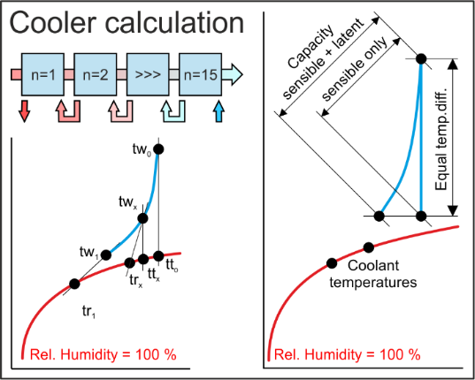
HES | Selection of diverse fin coil air cooler with liquid agents |  |  |  |  | 0.00 | FALSE | 1 or 2 | EXE applications can be purchased as standalone applications.
EXE | Selection of diverse fin coil air heater with liquid agents |  |  |  |  | 0.00 | FALSE | 1 or 2
 | Selection of diverse fin coil refrigerant DX-Evaporator |  |  |  |  | 0.00 | FALSE | 1 or 2
 | Selection of diverse fin coil refrigerant condenser |  |  |  |  | 0.00 | FALSE | 1 or 2
 | Heat recovery CCSB, selection with various geometries |  |  |  |  | 0.00 | FALSE | 1 or 2
 | Heat recovery CCSD, selection with various geometries |  |  |  |  | 0.00 | FALSE | 1 or 2
 | Heat recovery CCSF, selection with various geometries |  |  |  |  | 0.00 | FALSE | 1 or 2
HES | Selection of diverse fin coil air cooler with liquid agents |  |  |  | 1 | 0.00 | TRUE | 1 or 2 | DLLs will only be sold, if an agreement is signed. This prohibits resale.
DLL | Selection of diverse fin coil air heater with liquid agents |  |  |  | 1 | 0.00 | TRUE | 1 or 2
 | Selection of diverse fin coil refrigerant DX-Evaporator |  |  |  | 1 | 0.00 | TRUE | 1 or 2
 | Selection of diverse fin coil refrigerant condenser |  |  |  | 1 | 0.00 | TRUE | 1 or 2
 | Heat recovery CCSB, selection with various geometries |  |  |  | 1 | 0.00 | TRUE | 1 or 2
 | Heat recovery CCSD, selection with various geometries |  |  |  | 1 | 0.00 | TRUE | 1 or 2
 | Heat recovery CCSF, selection with various geometries |  |  |  | 1 | 0.00 | TRUE | 1 or 2

Introduction to applications |  | Days |  |  |  | EUR

TDB | Training in Bern - 6 hours daily |  |  |  |  | 0.00

 |  | Total net, prepayment: |  |  | EUR | 0.00

If you produce air conditioning units, you should read on! High-language neutral applications (EXEs, DLLs, GUIDLLs) for calculating the 3 most important heat exchangers (heater, cooler, condenser, evaporator) will be available by mid-2024. Applications for calculating the 4 most important heat recovery systems will be available by the end of 2025. Because comparisons to a wide variety of geometries are possible, you can delete all DLLs from heat exchanger manufacturers.

For air handling units, the maximum dimensions BT and RH for the finned heat exchanger including the frame are known. You want to determine the optimal finned heat exchanger from a number of different geometries, for example from different manufacturers. The HES applications offer this selection by first calculating up to 40 different finned heat exchangers with a macro and displaying the relevant selection criteria. The optimum finned heat exchanger can be selected from these.

For the energy recovery systems below, calculations are made for conditions in winter, in summer, according to DIN EN 308, for the energy requirement per year, for the economic efficiency and for the amortization, see an example for the CCSF system on the right.

CCSB Winter service Summer service |  |  |  |  |  | Zeller Consulting Suisse GmbH
 |  |  |  |  |  | HVAC solutions
 |  |  |  |  |  | Marin Zeller
 |  |  |  |  |  | Jurastrasse 35
 |  |  |  |  |  | CH-3063 Ittigen

CCSD Winter service Summer service |  |  |  |  |  | www.zcs.ch
 |  |  |  |  |  | info@zcs.ch
 |  |  |  |  |  | +41 (0)79 222 66 42

CCSF Winter service Summer service

Excel applications 1
Excel-based applications are now only offered unprotected because they have been cracked. However, they can be installed on multiple computers. |  | Full | Update | Upgrade | Type | EUR | Test | Selection | Price examples |  | Full | Type

AHH | AHH-Excel-Version (Mollier-TX-Chart) |  |  |  | 2 | 0.00 | FALSE | 2 | Full version for 1 unprotected application |  | 1 | 2
DEH | Economy from air-handling units with energy recovery |  |  |  | 2 | 0.00 | FALSE | 2 | --- |  | --- | ---
EAC | Economy comparison of circuit connected systems |  |  |  | 2 | 0.00 | FALSE | 2 | --- |  | --- | ---
HEH | Fin coil air heater with liquid agents |  |  |  | 2 | 0.00 | FALSE | 2
 | Fin coil air cooler with liquid agents |  |  |  | 2 | 0.00 | FALSE | 2 | Note
 | Fin coil refrigerant condenser |  |  |  | 2 | 0.00 | FALSE | 2
 | Fin coil refrigerant DX-Evaporator |  |  |  | 2 | 0.00 | FALSE | 2 | Update and Upgrade are often confused. An Update fixes bugs. Within the support period, this is tax-free. After the end of the support period, this is subject to a charge according to the actual downloadable price list. However, an Upgrade brings necessary adjustments to new operating systems or extensions through which the functionality of the application increases, which is always to pay.
 | Fin coil refrigerant RC-Evaporator |  |  |  | 2 | 0.00 | FALSE | 2
 | Fin coil CO2 cooler in the supercritical area |  |  |  | 2 | 0.00 | FALSE | 2
 | Fin coil refrigerant hot gas cooler |  |  |  | 2 | 0.00 | FALSE | 2
 | Fin coil vapor condenser |  |  |  | 2 | 0.00 | FALSE | 2
 | Smoot tubes vapor condenser |  |  |  | 2 | 0.00 | FALSE | 2
 | Fin coil air cooler with liquid agents - Electric defroster |  |  |  | 2 | 0.00 | FALSE | 2
 | Fin coil refrigerant DX-Evaporator - Electric defroster |  |  |  | 2 | 0.00 | FALSE | 2 | Commonly used energy recovery systems
 | Fin coil refrigerant RC-Evaporator - Electric defroster |  |  |  | 2 | 0.00 | FALSE | 2
 | Fin coil air cooler with liquid agents - Defroster with liquid agents |  |  |  | 2 | 0.00 | FALSE | 2
 | Fin coil refrigerant DX-Evaporator - Defroster with liquid agents |  |  |  | 2 | 0.00 | FALSE | 2 |  | Winter service | Summer service
 | Fin coil refrigerant RC-Evaporator - Defroster with liquid agents |  |  |  | 2 | 0.00 | FALSE | 2
 | Fin coil changeover with liquid agents |  |  |  | 2 | 0.00 | FALSE | 2 | CCSB Split
 | Fin coil changeover with refrigerants |  |  |  | 2 | 0.00 | FALSE | 2
 | Fin coil changeover CO2 supercritical |  |  |  | 2 | 0.00 | FALSE | 2
 | Fin coil air cooler with liquid agents on cocurrent |  |  |  | 2 | 0.00 | FALSE | 2
 | Pillow plate heat exchanger for recovery of harmful vapors |  |  |  | 2 | 0.00 | FALSE | 2
 | Pillow plate heat exchanger for ice storage |  |  |  | 2 | 0.00 | FALSE | 2
 | Pillow plate heat exchanger, falling film chiller for ice water |  |  |  | 2 | 0.00 | FALSE | 2 | CCSD Split
REF | Subcritical: Optimize the process in refrigerant circuits |  |  |  | 2 | 0.00 | FALSE | 2
CAP | Subcritical: Hot gas defrosting via collector or capillaries |  |  |  | 2 | 0.00 | FALSE | 2
COR | Subcritical: Changeover condensation via collector or capillaries |  |  |  | 2 | 0.00 | FALSE | 2
CO2 | Supercritical: Capillary pressure drop in the DX-Evaporator |  |  |  | 2 | 0.00 | FALSE | 2
HEH-G | Fin coil gas heater with liquid agents |  |  |  | 2 | 0.00 | FALSE | 2
 | Fin coil gas cooler with liquid agents - Electric defroster |  |  |  | 2 | 0.00 | FALSE | 2
 | Fin coil gas DX-Evaporator with refrigerants - Electric defroster |  |  |  | 2 | 0.00 | FALSE | 2
 | Fin coil gas RC-Evaporator with refrigerants - Electric defroster |  |  |  | 2 | 0.00 | FALSE | 2
 | CCSU, Harmful vapor recovery with fin coil heat exchangers |  |  |  | 2 | 0.00 | FALSE | 2 | CCSF Split
CCS | CCSB Split Fin coil HE - Function on the right side |  |  |  | 2 | 0.00 | FALSE | 2
 | CCSD Split Fin coil HE - Function on the right side |  |  |  | 2 | 0.00 | FALSE | 2
 | CCSF Split Fin coil HE - Function on the right side |  |  |  | 2 | 0.00 | FALSE | 2
 | CCSG Split Fin coil HE - Function on the right side |  |  |  | 2 | 0.00 | FALSE | 2
 | CCSH Split Fin coil HE - Function on the right side |  |  |  | 2 | 0.00 | FALSE | 2
 | CCSJ Split Fin coil HE - Function on the right side |  |  |  | 2 | 0.00 | FALSE | 2
 | CCSU Split fin coil HE - Function on the right side |  |  |  | 2 | 0.00 | FALSE | 2
 | CCSK Split Fin coil HE - Function on the right side |  |  |  | 2 | 0.00 | FALSE | 2
 | CCSM Split Fin coil HE - Function on the right side |  |  |  | 2 | 0.00 | FALSE | 2 | CCSG Split
 | CCSE Split Fin coil HE - Function on the right side |  |  |  | 2 | 0.00 | FALSE | 2
 | CCSN Split Fin coil HE - Function on the right side |  |  |  | 2 | 0.00 | FALSE | 2

Introduction to applications |  | Days |  |  |  | EUR

TDB | Training in Bern - 6 hours daily |  |  |  |  | 0.00

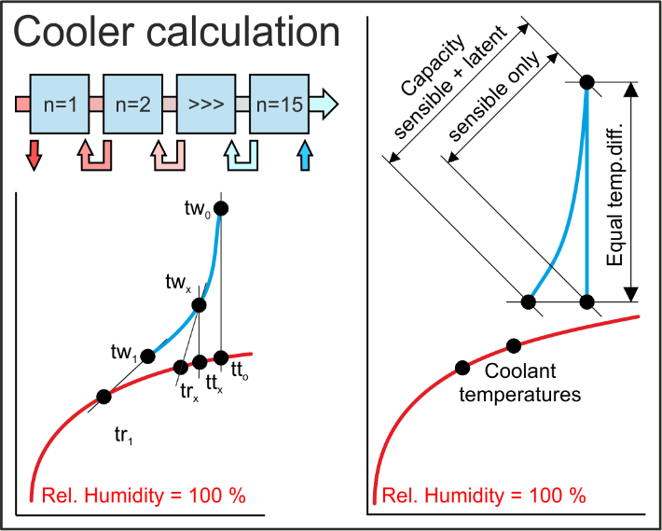
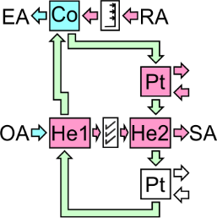
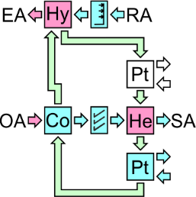
 |  | Total net, prepayment: |  |  | EUR | 0.00
 |  |  |  |  |  |  |  |  | CCSH Split

 |  |  |  |  |  | Zeller Consulting Suisse GmbH
 |  |  |  |  |  | HVAC solutions
 |  |  |  |  |  | Marin Zeller |  |  | CCSJ Split
 |  |  |  |  |  | Jurastrasse 35
 |  |  |  |  |  | CH-3063 Ittigen

 |  |  |  |  |  | www.zcs.ch
 |  |  |  |  |  | info@zcs.ch
 |  |  |  |  |  | +41 (0)79 222 66 42 |  |  | CCSU Split

AHH-Excel-Version (Mollier-TX-Chart)

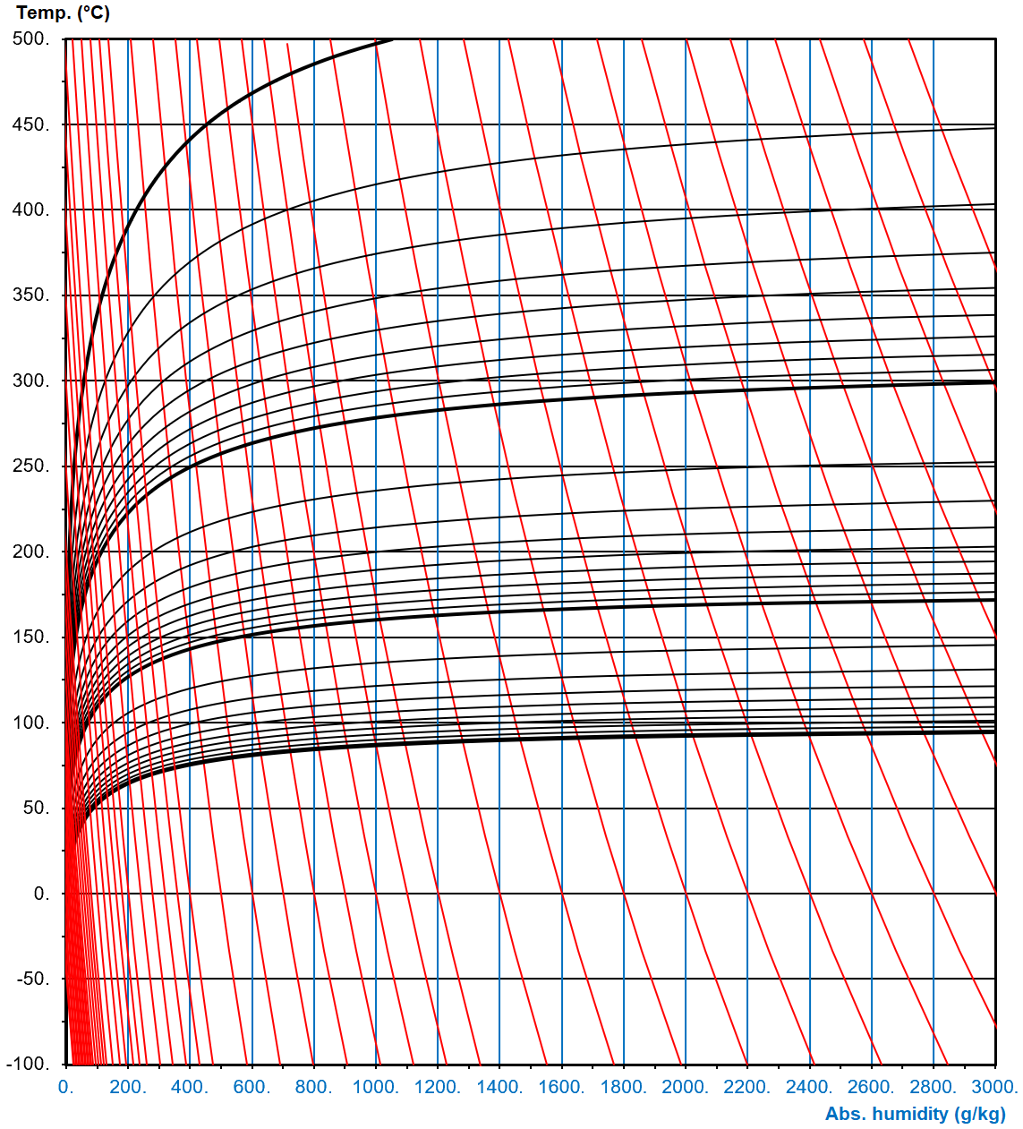
 |  |  |  |  |  |  |  |  | Little used energy recovery systems

 |  |  |  |  |  |  |  |  |  | Winter service | Summer service

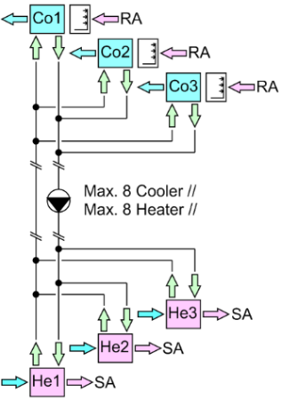
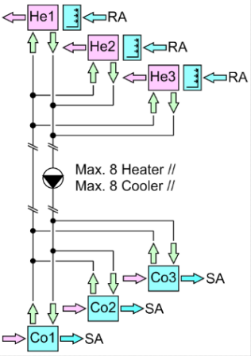
 |  |  |  |  |  |  |  |  | CCSK Split

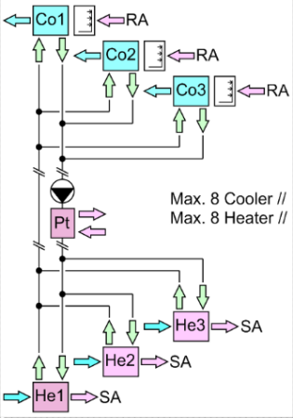
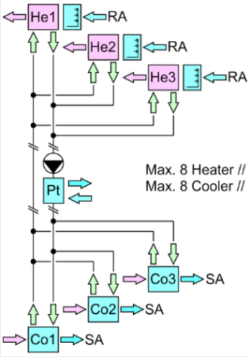
 |  |  |  |  |  |  |  |  | CCSM Split

 |  |  |  |  |  |  |  |  | Rarely used energy recovery systems

 |  |  |  |  |  |  |  |  |  | Winter service | Summer service

 |  |  |  |  |  |  |  |  | CCSE Split

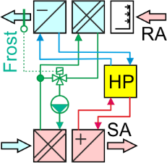
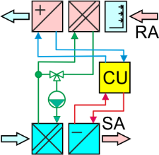
 |  |  |  |  |  |  |  |  | CCSN Split

