Order
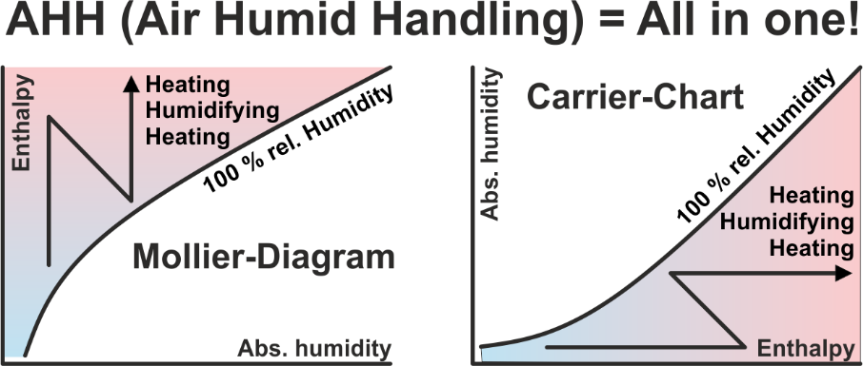
The AHH software contains 15 applications, including the GHH application. With the software AHH you can calculate and display all processes with humid air in the Mollier-HX-Diagram. The GHH software can be used to calculate and display the cooling process for any gases and vapors in the Mollier-TX-Diagram. This software is aimed at process engineers who want to condense and recover environmentally harmful vapors. There is tax-free software, where you have to find frequently, that if something does not cost anything, this is also not a lot of value. There is software, which costs only half of it, where you have to say, that this software perhaps offers even half the possibilities only. There is our software, which is used by more than 8.000 engineers worldwide. It can be selected between single licenses and network licenses. In which the price for network licenses depends on how many users want to use the software at the same time at any workplace in the entire network.

AHH in high language |  | Mollier-Diagram & Psychrometric-Chart, air processes, meteorological data
DWT in high language |  | Conversion: Temperature - Rel. Humidity - Abs. Humidity
MDI in high language |  | Meteorological data interface, service time selection
TEM in high language |  | Calculation of all mean logarithmic temperature differences
GLY in high language |  | Brine properties and efficiency comparison for CC-Systems
FRO in high language |  | Calculation of the defrosting time of finned heat exchangers
RFT in high language |  | Calculation of the rib foot temperature in air coolers
REF in high language |  | Subcritical: Optimize the process in refrigerant circuits
KES in high language |  | Calculation of ice storages for cold water production 6/12°C
HDH in high language |  | Calculation of heating degree days and cooling degree days
MRM in high language |  | Cooling requirements in midsummer - Meteorological risk management (Available soon!)
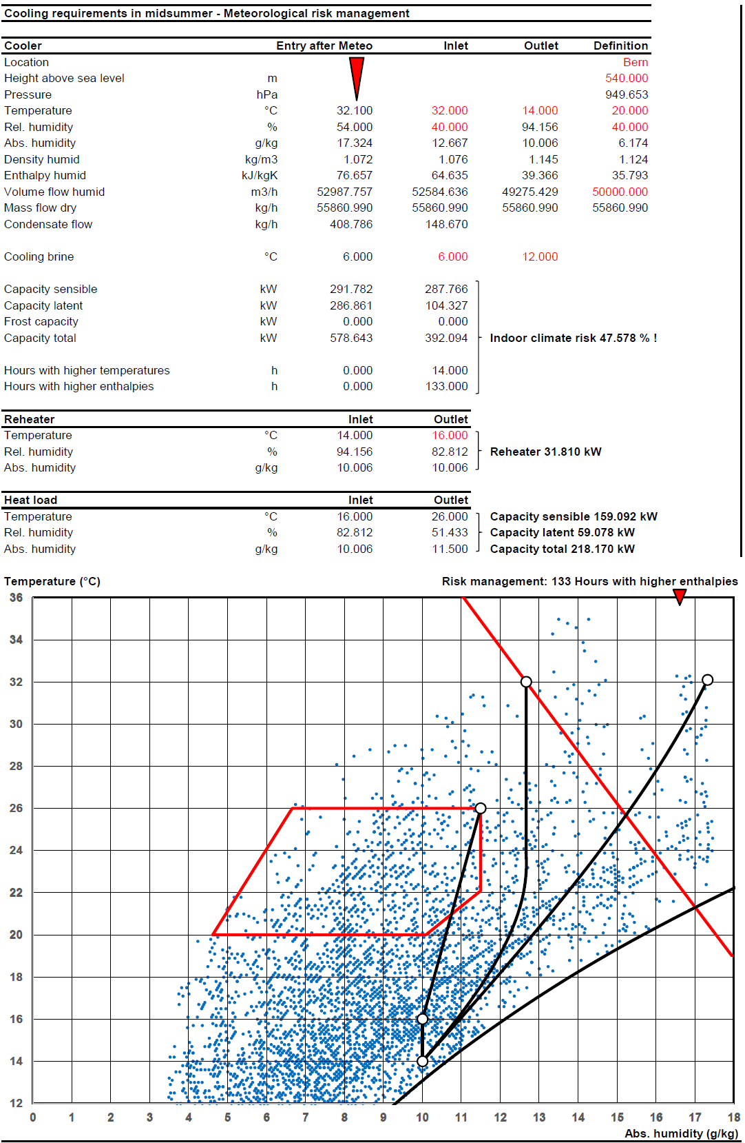
CLR in high language |  | Calculation of the cooling load of rooms
HLR in high language |  | Calculation of the heating load of rooms
AHU in high language |  | Neutral Air-Handling-Unit configurator for projects
GHH in high language |  | Mollier-Diagram for gas-steam mixtures to condensing the steam

1 | German |  |  |  |  |  |  | High-language applications can be tested for 30 days!
2 | English |  |  |  |  |  |  | All prices are one-time costs!
3 | Italian |  |  |  |  |  |  | For customers abroad, no VAT is due.
4 | French |  |  |  |  |  |  | For customers in Switzerland, an additional VAT of 8.1% is due.
2 | Language |  |  |  |  |  |  | Upon receipt of your order you receive our invoice with our bank account.
 |  |  |  |  |  |  |  | If you order Excel applications, we need additional your company-logo as bitmap by E-Mail.
1 | CHF | 1.000
2 | EUR | 1.114 |  |  |  |  |  | Would you inquire the minimum of quantity please!
3 | USD | 1.309
1 | Currency |  |  |  | Your selection:
 |  |  |  |  | From the page: High-language applications | CHF | 0.00
 |  |  |  |  | From the page: Excel applications 1 | CHF | 0.00
 |  |  |  |  | From the page: Excel applications 2 | CHF | 0.00

 |  |  |  |  | Total net, prepayment: | CHF | 0.00

 |  |  | Order by E-Mail please to: | info@zcs.ch
 |  |  | Date: | 06/01/2026
Zeller Consulting Suisse GmbH |  |  | Company:
HVAC solutions |  |  | Branch:
Dipl.-Ing. Marin Zeller FH, VDI |  |  | Project leader:
Jurastrasse 35 |  |  | Street:
CH-3063 Ittigen |  |  | Country / ZIP / City:
 |  |  | Phone:
www.zcs.ch |  |  | Fax:
info@zcs.ch |  |  | E-Mail:
+41 79 222 66 42 |  |  | Home page:

On our invoices is written: 2 years tax-free support and updates on request. Send us a copy of this invoice by email together with your request. Support definition: Any kind of service. Download files from high level language versions, such as the AHHSetup.exe, are to save for later self-contained transfer to another IT environment under using the file LicensingTool.exe, see the user installation manual. After the free support time expires otherwise costs for an update. However, you can buy an update/upgrade and another 2 years support. Update and upgrade are often confused. An update fixes bugs. Within the support period, this is tax-free. After the end of the support period, this is subject to a charge according to the actual downloadable price list. However, an upgrade brings necessary adjustments to new operating systems or extensions through which the functionality of the application increases, which is always to pay. Our support for network licenses is limited to ensuring, that the application works properly on the server. For links to the clients, you will find additional information in the user installation manual. However, because networks as well as firewalls are customized, you have to make sure yourself, that the application works perfectly on the clients too. For example, the port on the server must be enabled, so that the client ever comes through the firewall to the server. The Registration ID and the License Key change only, if changes have been made to the hardware. The same applies to major adjustments to the operating system. We therefore strongly recommend, that you don't make any changes at short intervals, as we have a majority of customers, who don't need new keys for 5 to 10 years. Furthermore, before such really unavoidable actions, the license can be transferred, see the user installation manual.

High-language applications
High-language applications |  | Full | Update | Upgrade | Type | CHF | Test | Selection | Price examples | Full | Type

AHH | Contains 14 applications - See "Order" page - Student version |  |  |  |  | 0.00 | FALSE | 1 or 2 | Full version for 1 client, single license | 1 | 1
 | Contains 14 applications - See "Order" page - Teacher version |  |  |  |  | 0.00 | FALSE | 1 or 2 | Full version for 2 clients, single license | 2 | 1
 | Contains 14 applications - See "Order" page - Corporate version |  |  |  |  | 0.00 | FALSE | 1 or 2 | Full version for 1 client //, network license | 1 | 2
CCSX | CCSX Draw internal coupling for CCS fin coil heat exchanger |  |  |  |  | 0.00 | FALSE | 1 or 2 | Full version for 4 clients //, network license | 4 | 2
SIC | SIC Draw internal coupling for standard fin coil heat exchanger |  |  |  |  | 0.00 | FALSE | 1 or 2 | Full version for 6 clients //, network license | 6 | 2

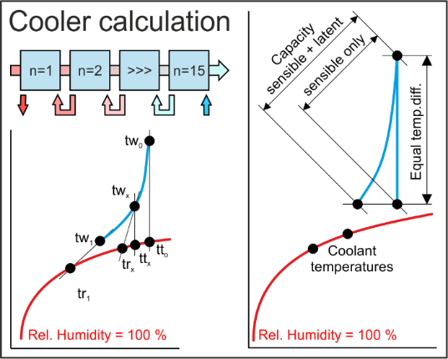
HES | Selection of diverse fin coil air cooler with liquid agents |  |  |  |  | 0.00 | FALSE | 1 or 2 | EXE applications can be purchased as standalone applications.
EXE | Selection of diverse fin coil air heater with liquid agents |  |  |  |  | 0.00 | FALSE | 1 or 2
 | Selection of diverse fin coil refrigerant DX-Evaporator |  |  |  |  | 0.00 | FALSE | 1 or 2
 | Selection of diverse fin coil refrigerant condenser |  |  |  |  | 0.00 | FALSE | 1 or 2
 | Heat recovery CCSB, selection with various geometries |  |  |  |  | 0.00 | FALSE | 1 or 2
 | Heat recovery CCSD, selection with various geometries |  |  |  |  | 0.00 | FALSE | 1 or 2
 | Heat recovery CCSF, selection with various geometries |  |  |  |  | 0.00 | FALSE | 1 or 2
HES | Selection of diverse fin coil air cooler with liquid agents |  |  |  | 1 | 0.00 | TRUE | 1 or 2 | DLLs will only be sold, if an agreement is signed. This prohibits resale.
DLL | Selection of diverse fin coil air heater with liquid agents |  |  |  | 1 | 0.00 | TRUE | 1 or 2
 | Selection of diverse fin coil refrigerant DX-Evaporator |  |  |  | 1 | 0.00 | TRUE | 1 or 2
 | Selection of diverse fin coil refrigerant condenser |  |  |  | 1 | 0.00 | TRUE | 1 or 2
 | Heat recovery CCSB, selection with various geometries |  |  |  | 1 | 0.00 | TRUE | 1 or 2
 | Heat recovery CCSD, selection with various geometries |  |  |  | 1 | 0.00 | TRUE | 1 or 2
 | Heat recovery CCSF, selection with various geometries |  |  |  | 1 | 0.00 | TRUE | 1 or 2

Introduction to applications |  | Days |  |  |  | CHF
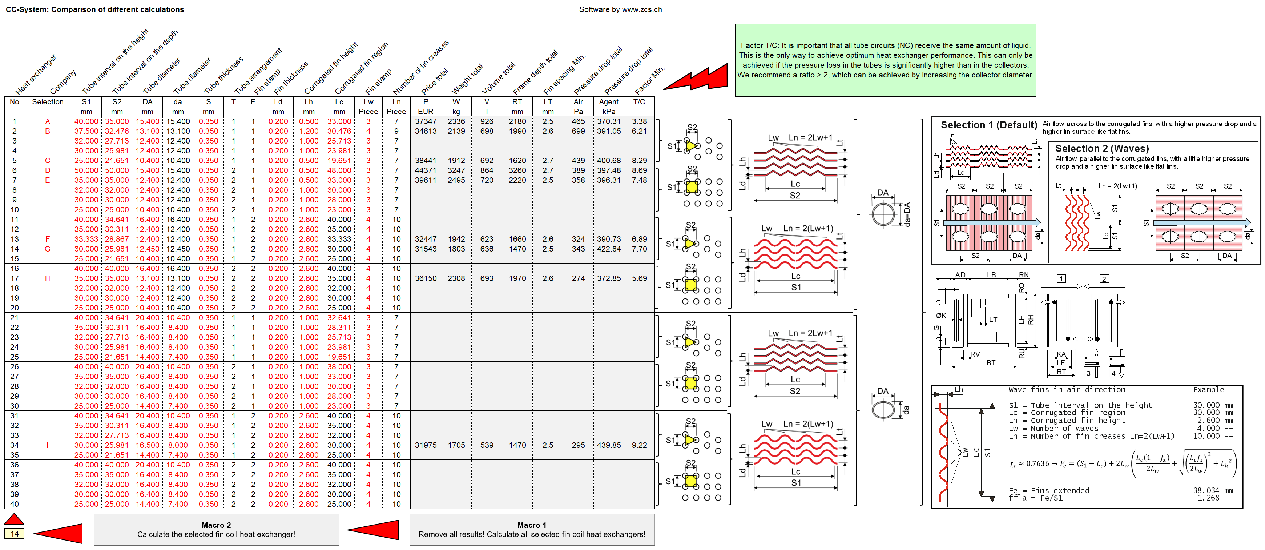
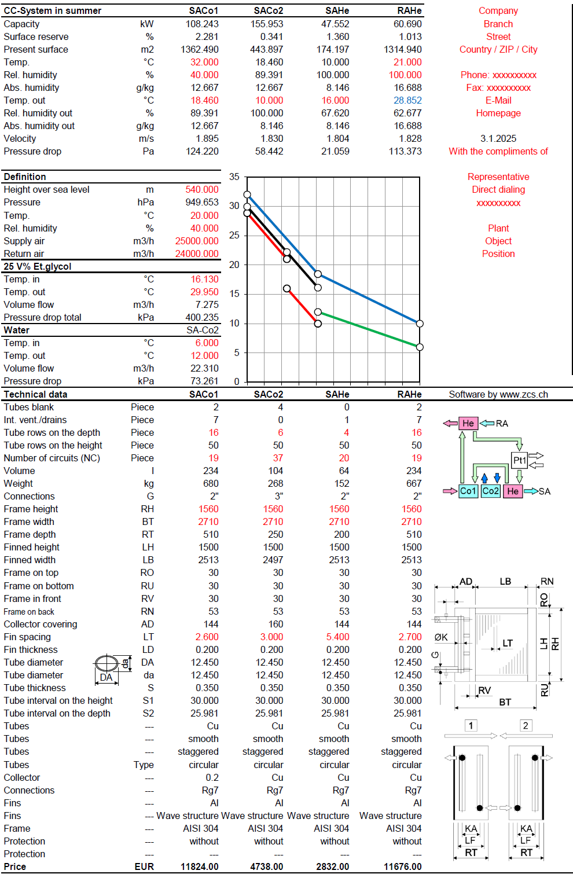
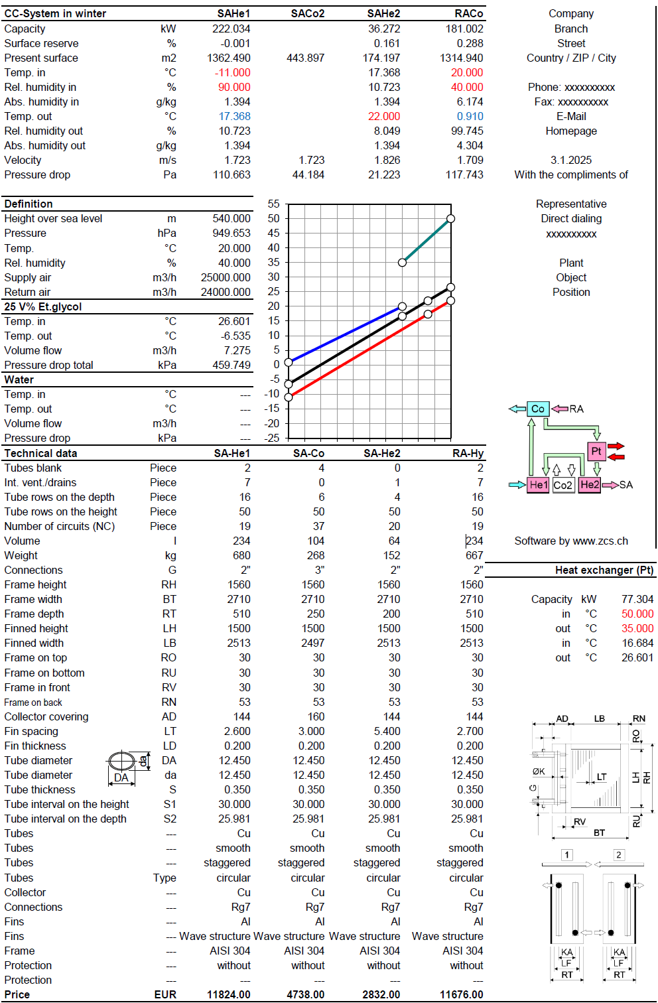
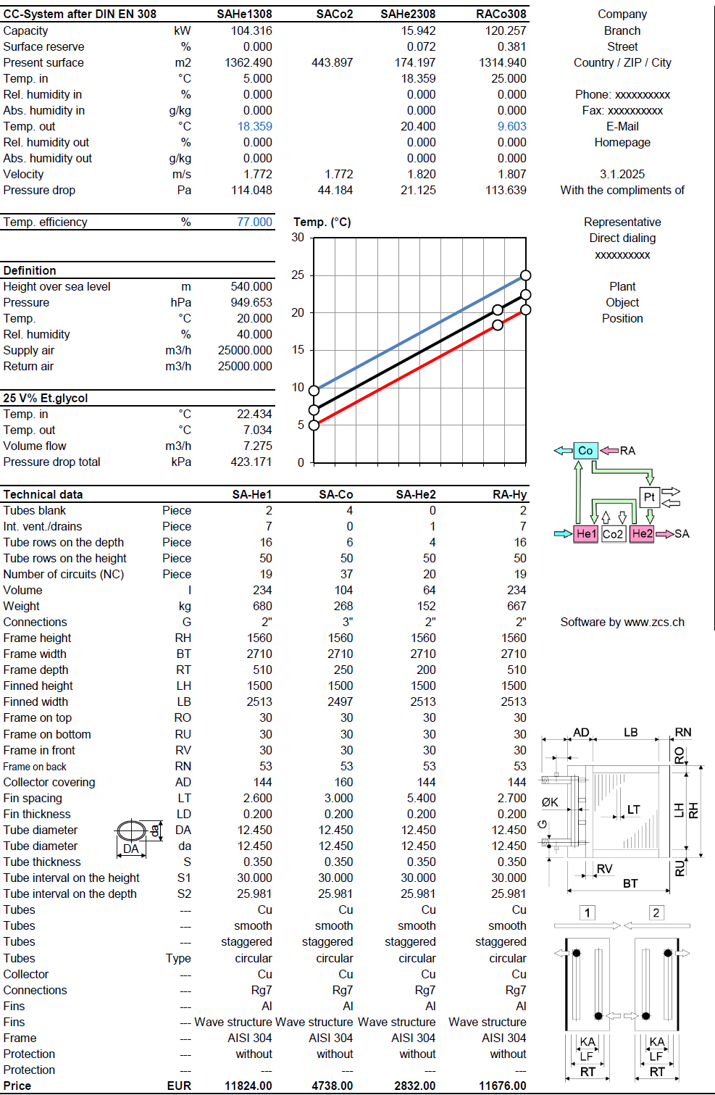
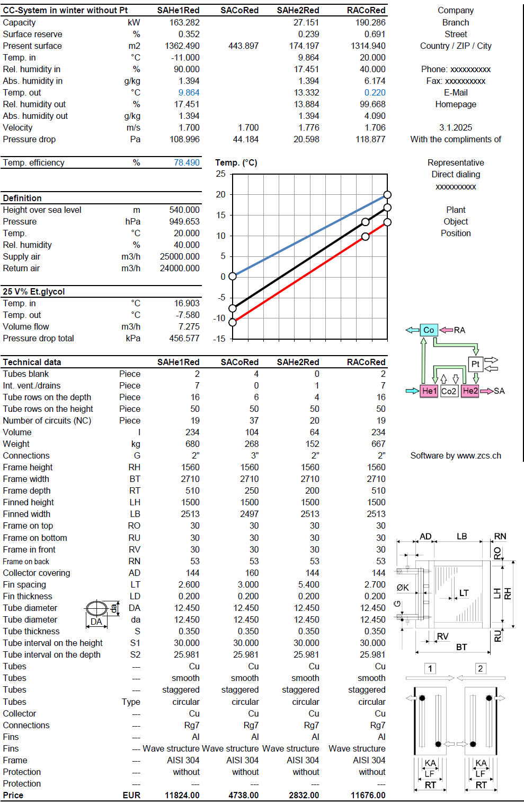
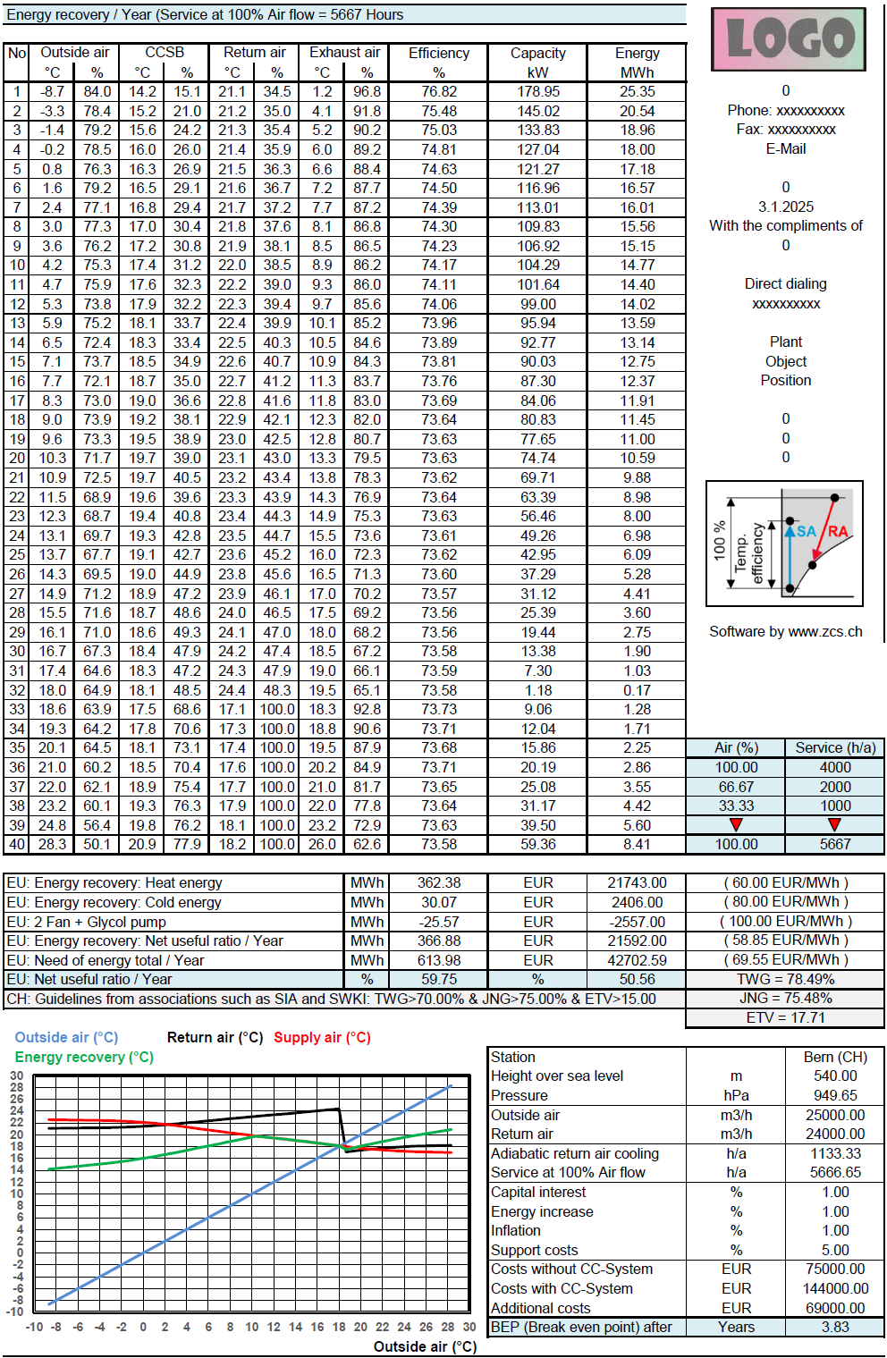
TDB | Training in Bern - 6 hours daily |  |  |  |  | 0.00

 |  | Total net, prepayment: |  |  | CHF | 0.00

If you produce air conditioning units, you should read on! High-language neutral applications (EXEs, DLLs, GUIDLLs) for calculating the 3 most important heat exchangers (heater, cooler, condenser, evaporator) will be available by mid-2024. Applications for calculating the 4 most important heat recovery systems will be available by the end of 2025. Because comparisons to a wide variety of geometries are possible, you can delete all DLLs from heat exchanger manufacturers.

For air handling units, the maximum dimensions BT and RH for the finned heat exchanger including the frame are known. You want to determine the optimal finned heat exchanger from a number of different geometries, for example from different manufacturers. The HES applications offer this selection by first calculating up to 40 different finned heat exchangers with a macro and displaying the relevant selection criteria. The optimum finned heat exchanger can be selected from these.

For the energy recovery systems below, calculations are made for conditions in winter, in summer, according to DIN EN 308, for the energy requirement per year, for the economic efficiency and for the amortization, see an example for the CCSF system on the right.

CCSB Winter service Summer service |  |  |  |  |  | Zeller Consulting Suisse GmbH
 |  |  |  |  |  | HVAC solutions
 |  |  |  |  |  | Marin Zeller
 |  |  |  |  |  | Jurastrasse 35
 |  |  |  |  |  | CH-3063 Ittigen

CCSD Winter service Summer service |  |  |  |  |  | www.zcs.ch
 |  |  |  |  |  | info@zcs.ch
 |  |  |  |  |  | +41 (0)79 222 66 42

CCSF Winter service Summer service

Excel applications 1
Excel-based applications are now only offered unprotected because they have been cracked. However, they can be installed on multiple computers. |  | Full | Update | Upgrade | Type | CHF | Test | Selection | Price examples |  | Full | Type | HEH-G

AHH | AHH-Excel-Version (Mollier-TX-Chart) |  |  |  | 2 | 0.00 | FALSE | 2 | Full version for 1 unprotected application |  | 1 | 2
DEH | Economy from air-handling units with energy recovery |  |  |  | 2 | 0.00 | FALSE | 2 | --- |  | --- | --- |  | Applicable for any gases, such as air, which contain environmentally harmful vapors, which can be condensed and separated by cooling. The vapors are in practice mixtures of water vapor and environmentally harmful vapors such as acetone. For this, the laws of Raoult and Dalton are used, which describe how the partial pressure of this mixture can be calculated.
EAC | Economy comparison of circuit connected systems |  |  |  | 2 | 0.00 | FALSE | 2 | --- |  | --- | ---
HEH | Fin coil air heater with liquid agents |  |  |  | 2 | 0.00 | FALSE | 2
 | Fin coil air cooler with liquid agents |  |  |  | 2 | 0.00 | FALSE | 2 | Note
 | Fin coil refrigerant condenser |  |  |  | 2 | 0.00 | FALSE | 2
 | Fin coil refrigerant DX-Evaporator |  |  |  | 2 | 0.00 | FALSE | 2 | Update and Upgrade are often confused. An Update fixes bugs. Within the support period, this is tax-free. After the end of the support period, this is subject to a charge according to the actual downloadable price list. However, an Upgrade brings necessary adjustments to new operating systems or extensions through which the functionality of the application increases, which is always to pay.
 | Fin coil refrigerant RC-Evaporator |  |  |  | 2 | 0.00 | FALSE | 2
 | Fin coil CO2 cooler in the supercritical area |  |  |  | 2 | 0.00 | FALSE | 2
 | Fin coil refrigerant hot gas cooler |  |  |  | 2 | 0.00 | FALSE | 2
 | Fin coil vapor condenser |  |  |  | 2 | 0.00 | FALSE | 2
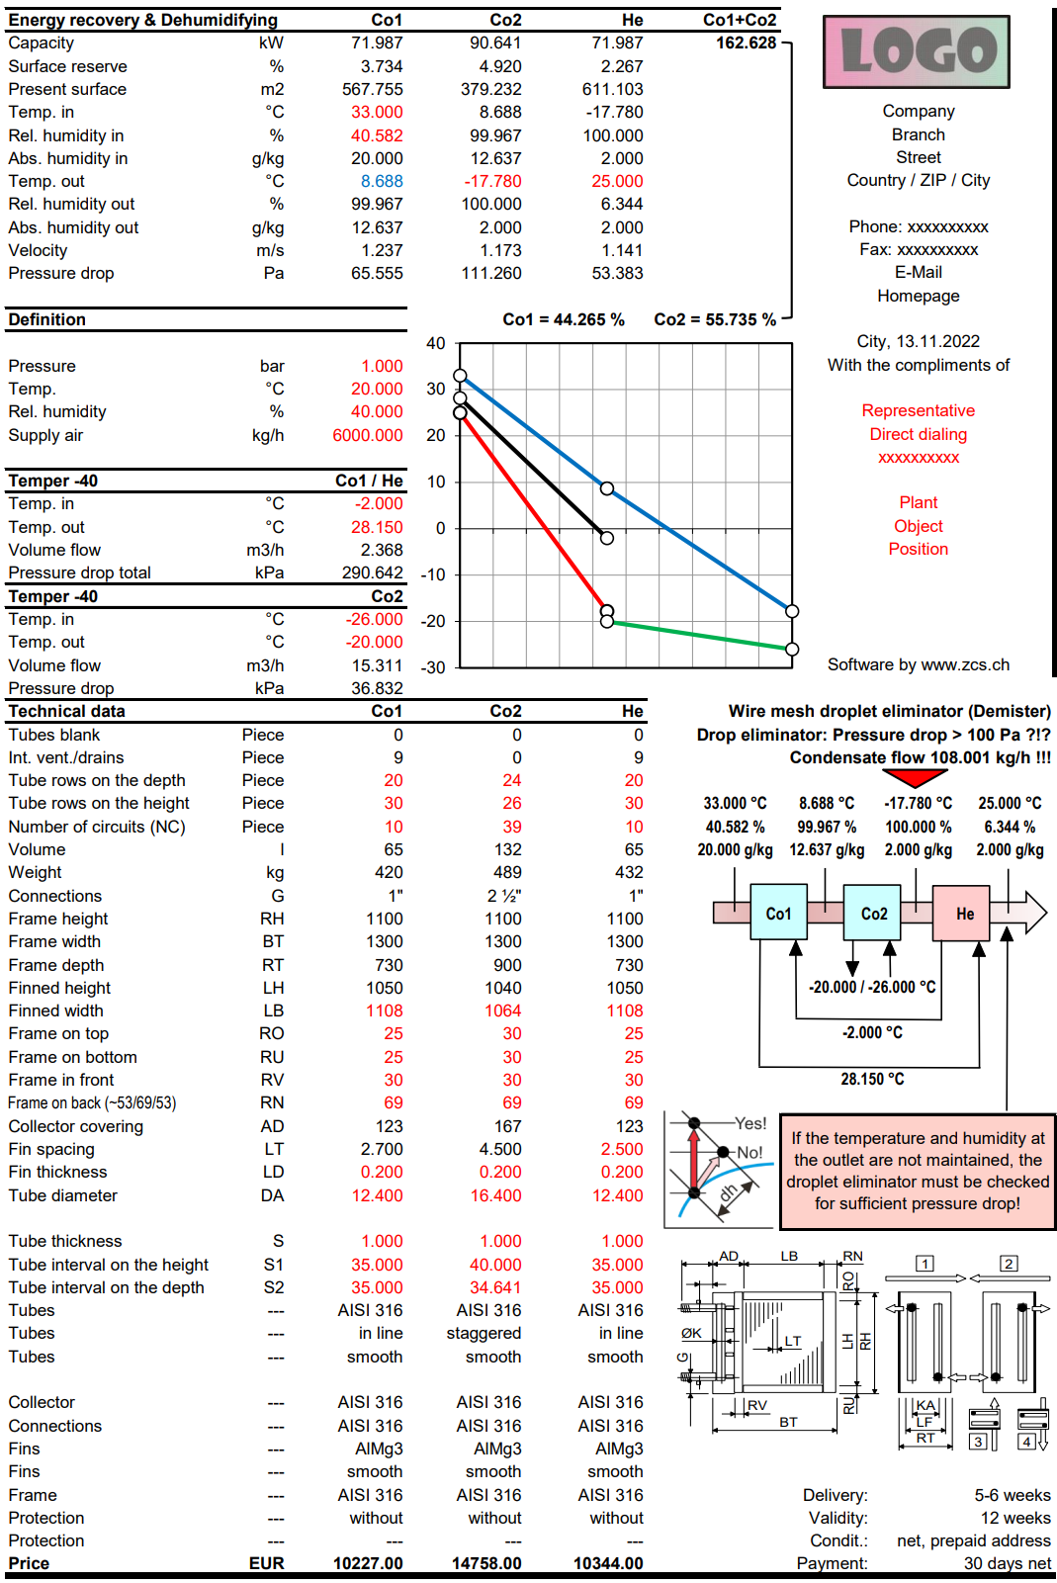
 | Smoot tubes vapor condenser |  |  |  | 2 | 0.00 | FALSE | 2
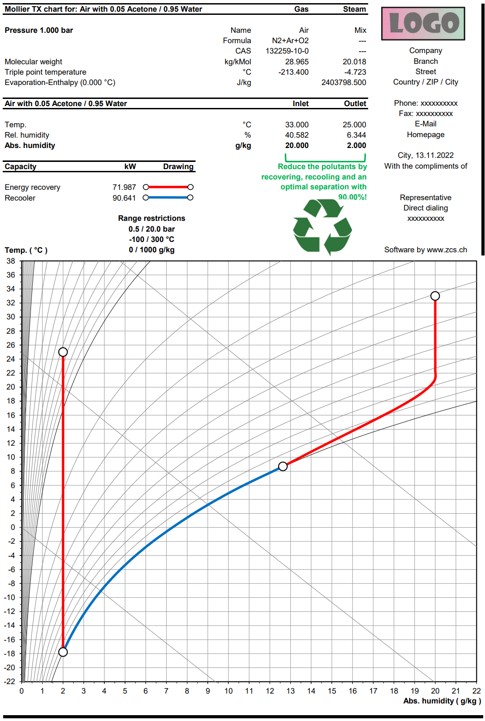
 | Fin coil air cooler with liquid agents - Electric defroster |  |  |  | 2 | 0.00 | FALSE | 2
 | Fin coil refrigerant DX-Evaporator - Electric defroster |  |  |  | 2 | 0.00 | FALSE | 2 | Commonly used energy recovery systems
 | Fin coil refrigerant RC-Evaporator - Electric defroster |  |  |  | 2 | 0.00 | FALSE | 2
 | Fin coil air cooler with liquid agents - Defroster with liquid agents |  |  |  | 2 | 0.00 | FALSE | 2
 | Fin coil refrigerant DX-Evaporator - Defroster with liquid agents |  |  |  | 2 | 0.00 | FALSE | 2 |  | Winter service | Summer service
 | Fin coil refrigerant RC-Evaporator - Defroster with liquid agents |  |  |  | 2 | 0.00 | FALSE | 2
 | Fin coil changeover with liquid agents |  |  |  | 2 | 0.00 | FALSE | 2 | CCSB Split
 | Fin coil changeover with refrigerants |  |  |  | 2 | 0.00 | FALSE | 2
 | Fin coil changeover CO2 supercritical |  |  |  | 2 | 0.00 | FALSE | 2
 | Fin coil air cooler with liquid agents on cocurrent |  |  |  | 2 | 0.00 | FALSE | 2
 | Pillow plate heat exchanger for recovery of harmful vapors |  |  |  | 2 | 0.00 | FALSE | 2
 | Pillow plate heat exchanger for ice storage |  |  |  | 2 | 0.00 | FALSE | 2
 | Pillow plate heat exchanger, falling film chiller for ice water |  |  |  | 2 | 0.00 | FALSE | 2 | CCSD Split
REF | Subcritical: Optimize the process in refrigerant circuits |  |  |  | 2 | 0.00 | FALSE | 2
CAP | Subcritical: Capillary pressure drop in the DX-Evaporator |  |  |  | 2 | 0.00 | FALSE | 2
CO2 | Supercritical: Capillary pressure drop in the DX-Evaporator |  |  |  | 2 | 0.00 | FALSE | 2
HEH-G | Fin coil gas heater with liquid agents |  |  |  | 2 | 0.00 | FALSE | 2
 | Fin coil gas cooler with liquid agents - Electric defroster |  |  |  | 2 | 0.00 | FALSE | 2
 | Fin coil gas DX-Evaporator with refrigerants - Electric defroster |  |  |  | 2 | 0.00 | FALSE | 2
 | Fin coil gas RC-Evaporator with refrigerants - Electric defroster |  |  |  | 2 | 0.00 | FALSE | 2
 | CCSU, Harmful vapor recovery with fin coil heat exchangers |  |  |  | 2 | 0.00 | FALSE | 2
CCS | CCSB Split Fin coil HE - Function on the right side |  |  |  | 2 | 0.00 | FALSE | 2 | CCSF Split
 | CCSD Split Fin coil HE - Function on the right side |  |  |  | 2 | 0.00 | FALSE | 2
 | CCSF Split Fin coil HE - Function on the right side |  |  |  | 2 | 0.00 | FALSE | 2
 | CCSG Split Fin coil HE - Function on the right side |  |  |  | 2 | 0.00 | FALSE | 2
 | CCSH Split Fin coil HE - Function on the right side |  |  |  | 2 | 0.00 | FALSE | 2
 | CCSJ Split Fin coil HE - Function on the right side |  |  |  | 2 | 0.00 | FALSE | 2
 | CCSU Split fin coil HE - Function on the right side |  |  |  | 2 | 0.00 | FALSE | 2
 | CCSK Split Fin coil HE - Function on the right side |  |  |  | 2 | 0.00 | FALSE | 2
 | CCSM Split Fin coil HE - Function on the right side |  |  |  | 2 | 0.00 | FALSE | 2
 | CCSE Split Fin coil HE - Function on the right side |  |  |  | 2 | 0.00 | FALSE | 2 | CCSG Split
 | CCSN Split Fin coil HE - Function on the right side |  |  |  | 2 | 0.00 | FALSE | 2

Introduction to applications |  | Days |  |  |  | CHF

TDB | Training in Bern - 6 hours daily |  |  |  |  | 0.00

 |  | Total net, prepayment: |  |  | CHF | 0.00

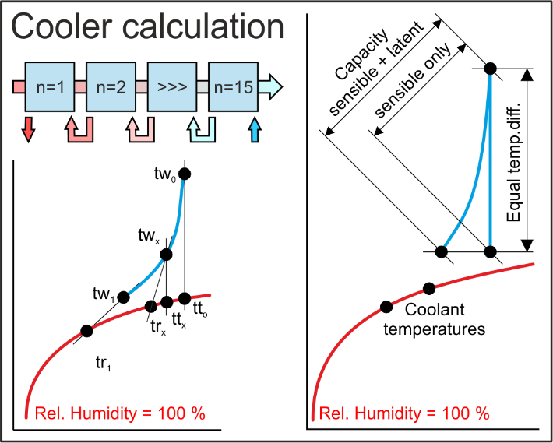
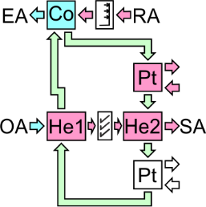
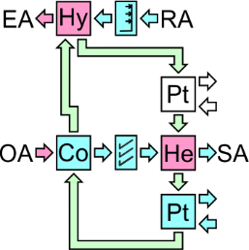
 |  |  |  |  |  |  |  |  | CCSH Split

 |  |  |  |  |  | Zeller Consulting Suisse GmbH
 |  |  |  |  |  | HVAC solutions
 |  |  |  |  |  | Marin Zeller |  |  | CCSJ Split
 |  |  |  |  |  | Jurastrasse 35
 |  |  |  |  |  | CH-3063 Ittigen

 |  |  |  |  |  | www.zcs.ch
 |  |  |  |  |  | info@zcs.ch
 |  |  |  |  |  | +41 (0)79 222 66 42 |  |  | CCSU Split

AHH-Excel-Version (Mollier-TX-Chart)

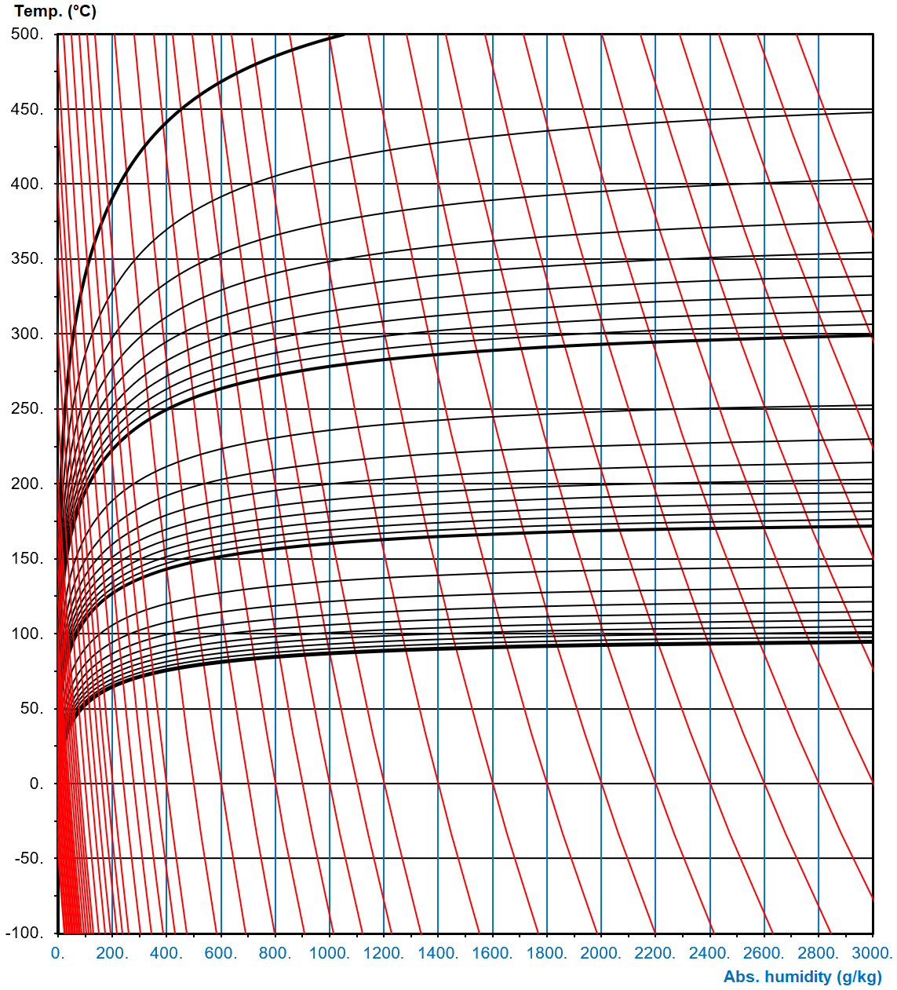
 |  |  |  |  |  |  |  |  |  |  |  |  | Pillow plate heat exchanger
 |  |  |  |  |  |  |  |  | Little used energy recovery systems

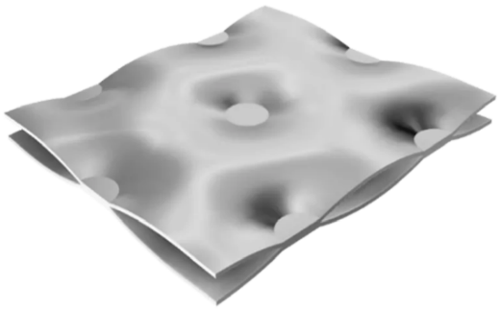
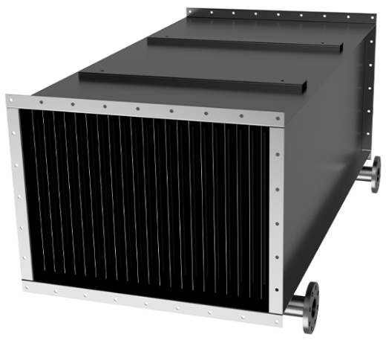
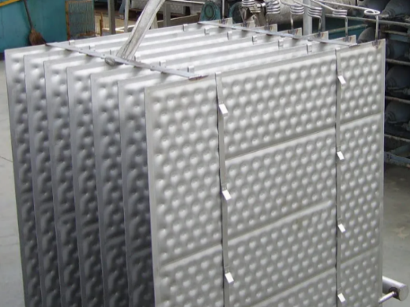
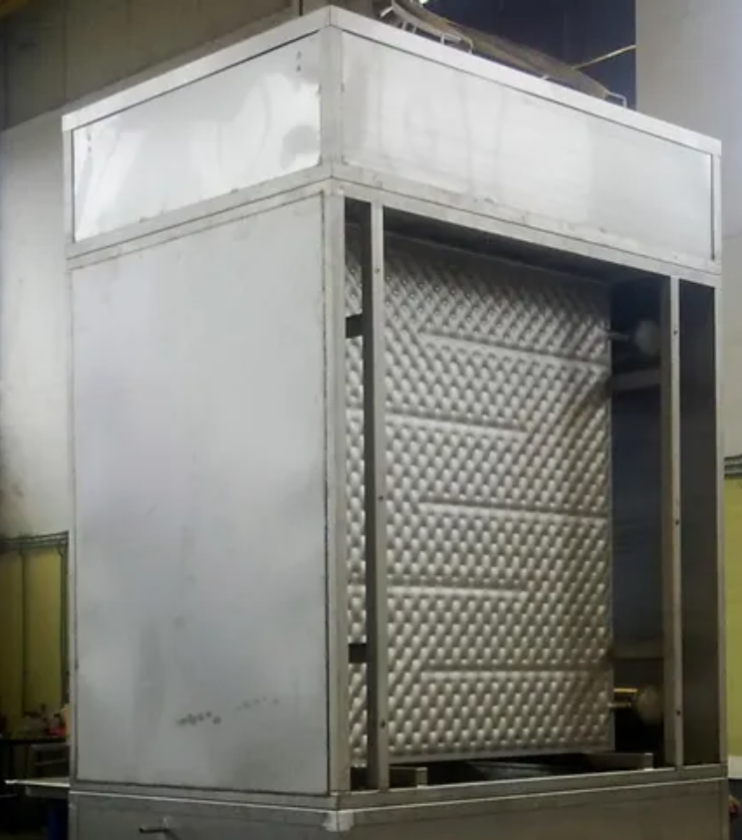
 |  |  |  |  |  |  |  |  |  |  |  |  |  |  | Pillow plate heat exchanger for recovery of harmful vapors | Pillow plate heat exchanger for ice storage | Pillow plate heat exchanger, falling film chiller for ice water
 |  |  |  |  |  |  |  |  |  | Winter service | Summer service

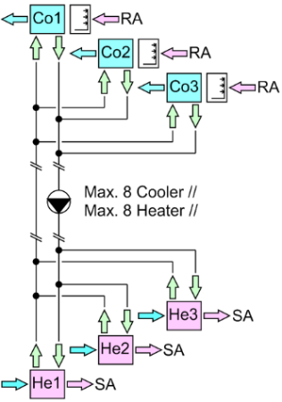
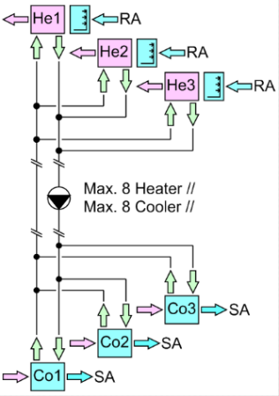
 |  |  |  |  |  |  |  |  | CCSK Split

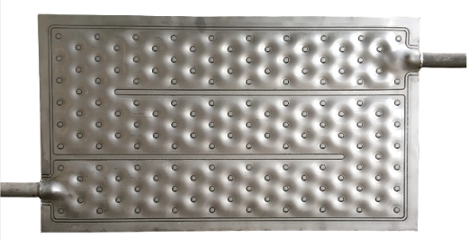

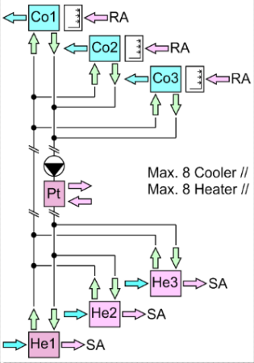
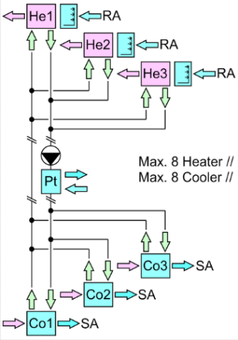
 |  |  |  |  |  |  |  |  | CCSM Split

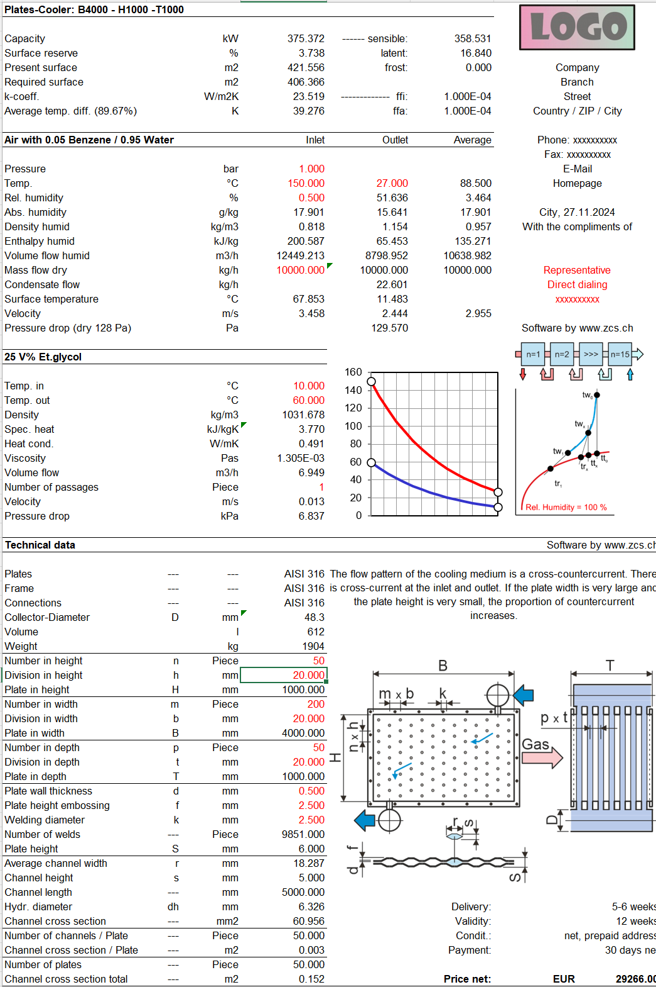
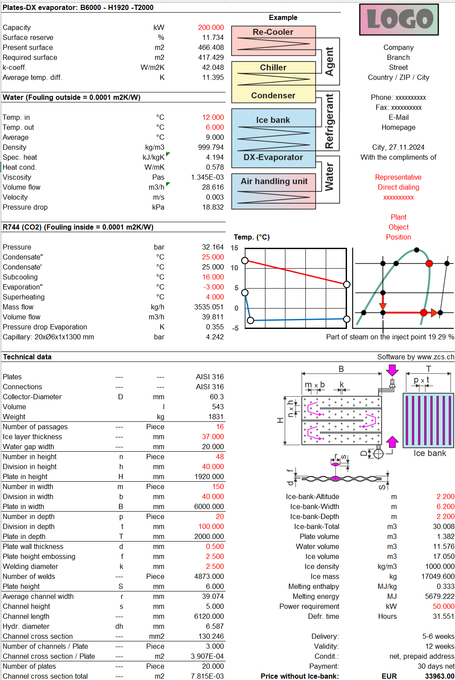
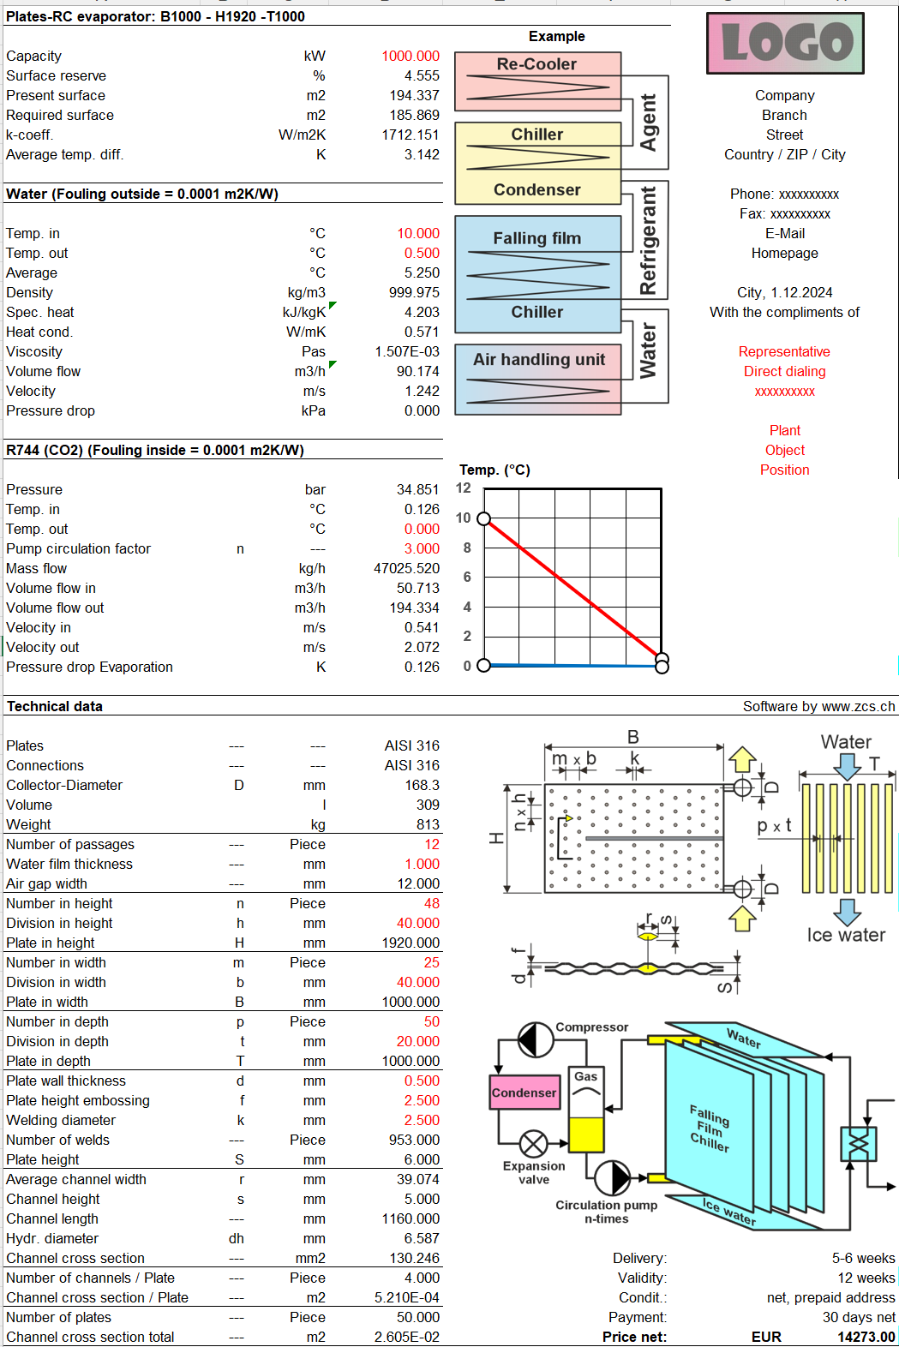

 |  |  |  |  |  |  |  |  | Rarely used energy recovery systems

 |  |  |  |  |  |  |  |  |  | Winter service | Summer service

 |  |  |  |  |  |  |  |  | CCSE Split

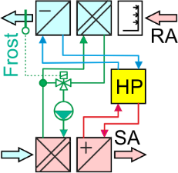
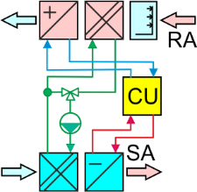
 |  |  |  |  |  |  |  |  | CCSN Split

Excel applications 2
Excel-based applications are now only offered unprotected because they have been cracked. However, they can be installed on multiple computers. |  | Full | Update | Upgrade | Type | CHF | Test | Selection | Price examples | Full | Type | HEH-FAN |  | MCHE

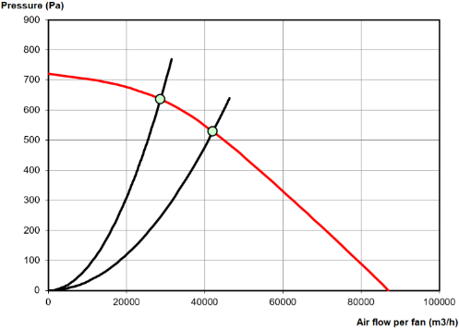
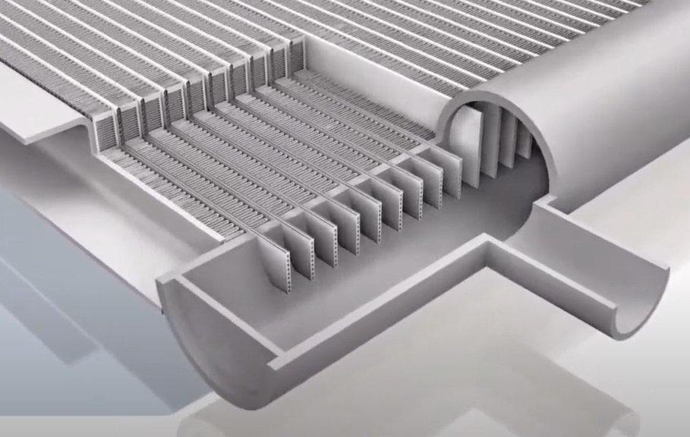
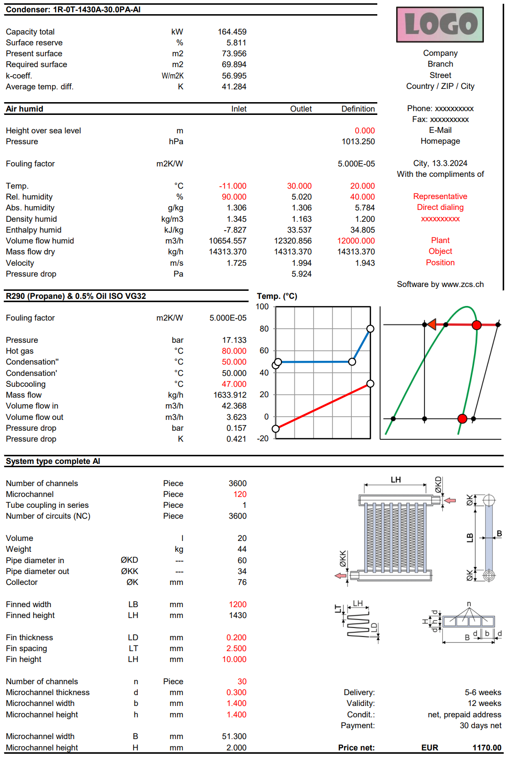
HRS | Plate HE air to air 1x cross flow |  |  |  | 2 | 0.00 | FALSE | 2 | Full version for 1 unprotected application | 1 | 2
 | Plate HE air to air 2x cross flow |  |  |  | 2 | 0.00 | FALSE | 2 | --- | --- | ---
 | Plate HE air to air 1x counter flow |  |  |  | 2 | 0.00 | FALSE | 2 | --- | --- | ---
 | Thermic rotor |  |  |  | 2 | 0.00 | FALSE | 2
 | Sorption rotor |  |  |  | 2 | 0.00 | FALSE | 2 | Note
 | Desiccant rotor |  |  |  | 2 | 0.00 | FALSE | 2
 | Desiccant rotor system |  |  |  | 2 | 0.00 | FALSE | 2 | Update and Upgrade are often confused. An Update fixes bugs. Within the support period, this is tax-free. After the end of the support period, this is subject to a charge according to the actual downloadable price list. However, an Upgrade brings necessary adjustments to new operating systems or extensions through which the functionality of the application increases, which is always to pay.
 | Thermic regenerator |  |  |  | 2 | 0.00 | FALSE | 2
 | Sorption regenerator |  |  |  | 2 | 0.00 | FALSE | 2
 | Desiccant regenerator |  |  |  | 2 | 0.00 | FALSE | 2
 | Desiccant regenerator system |  |  |  | 2 | 0.00 | FALSE | 2
 | Smooth tube HE air to air 1 cross flow exhaust outside |  |  |  | 2 | 0.00 | FALSE | 2
 | Smooth tube HE air to air 2 cross flow exhaust outside |  |  |  | 2 | 0.00 | FALSE | 2
 | Smooth tube HE air to air 1 cross flow exhaust inside |  |  |  | 2 | 0.00 | FALSE | 2 | Commonly used energy recovery systems |  |  | HEH-VAC
 | Smooth tube HE air to air 2 cross flow exhaust inside |  |  |  | 2 | 0.00 | FALSE | 2
HEH-FAN | Fin coil air heater with liquid agents, intersection point with fan |  |  |  | 2 | 0.00 | FALSE | 2
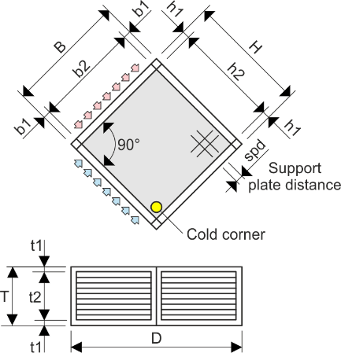
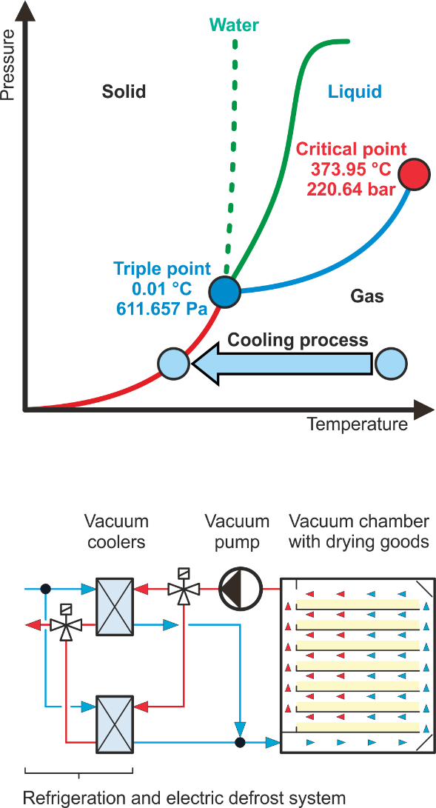
 | Fin coil air cooler with liquid agents, intersection point with fan |  |  |  | 2 | 0.00 | FALSE | 2 | Plate HE air to air 1x cross flow
 | Fin coil refrigerant condenser, intersection point with fan |  |  |  | 2 | 0.00 | FALSE | 2
 | Fin coil refrigerant DX-Evaporator, intersection point with fan |  |  |  | 2 | 0.00 | FALSE | 2
 | Fin coil refrigerant RC-Evaporator, intersection point with fan |  |  |  | 2 | 0.00 | FALSE | 2
 | Fin coil 2 serial air heater with liquid agents, intersection point with fan |  |  |  | 2 | 0.00 | FALSE | 2 |  |  |  |  | Microchannel heat exchangers (MCHE) offer many advantages in terms of heat transfer coefficient, content, weight and depth. MCHE are made entirely of aluminum. The individual parts are connected in the soldering oven.
 | Fin coil air cooler with liquid agents - El. defroster, intersec. point with fan |  |  |  | 2 | 0.00 | FALSE | 2
 | Fin coil refrigerant DX-Evaporator - El. defroster, intersec. point with fan |  |  |  | 2 | 0.00 | FALSE | 2
HEH-VAC | Vacuum water vapor cooler with liquid media - Electric defroster |  |  |  | 2 | 0.00 | FALSE | 2
 | Vacuum Water Vapor DX Evaporator - Electric Defroster |  |  |  | 2 | 0.00 | FALSE | 2
 | Vacuum Water Vapor RC Evaporator - Electric Defroster |  |  |  | 2 | 0.00 | FALSE | 2 |  |  |  |  | Microchannel-Fin coil refrigerant condenser
HEH-SR | Spiral rib air heater with liquid agents |  |  |  | 2 | 0.00 | FALSE | 2
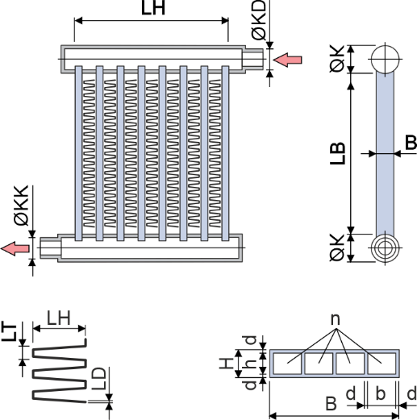
 | Spiral rib air cooler with liquid agents |  |  |  | 2 | 0.00 | FALSE | 2
 | Spiral rib refrigerant and steam condenser |  |  |  | 2 | 0.00 | FALSE | 2
 | Spiral rib refrigerant DX-Evaporator |  |  |  | 2 | 0.00 | FALSE | 2
 | Spiral rib refrigerant RC-Evaporator |  |  |  | 2 | 0.00 | FALSE | 2
HEH-SR-G | Spiral rib gas cooler with liquid agents - Electric defroster |  |  |  | 2 | 0.00 | FALSE | 2 | Plate HE air to air 2x cross flow
 | Spiral rib gas DX-Evaporator with refrigerants - Electric defroster |  |  |  | 2 | 0.00 | FALSE | 2
 | Spiral rib gas RC-Evaporator with refrigerants - Electric defroster |  |  |  | 2 | 0.00 | FALSE | 2
ESH | Glycol cooler dry adiabatic hybrid V-Design-2 Container-Size |  |  |  | 2 | 0.00 | FALSE | 2
 | Glycol cooler dry adiabatic hybrid V-Design-2 Big-Size |  |  |  | 2 | 0.00 | FALSE | 2
 | Glycol cooler 1 x Hybrid, installed in air-handling units |  |  |  | 2 | 0.00 | FALSE | 2
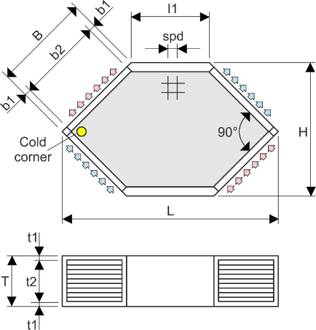
 | Glycol cooler 2 x Hybrid in series, installed in air-handling units |  |  |  | 2 | 0.00 | FALSE | 2 | Plate HE air to air 1x counter flow
 | Evaporative-Smooth-Tube-Condenser |  |  |  | 2 | 0.00 | FALSE | 2
 | Split evaporative-Smooth-Tube-Condenser |  |  |  | 2 | 0.00 | FALSE | 2
 | Evaporative-Smooth-Tube-Cooler |  |  |  | 2 | 0.00 | FALSE | 2
 | Split evaporative-Smooth-Tube-Cooler |  |  |  | 2 | 0.00 | FALSE | 2
MCHE | Microchannel-Fin coil air heater with liquid agents |  |  |  | 2 | 0.00 | FALSE | 2
 | Microchannel-Fin coil air cooler with liquid agents |  |  |  | 2 | 0.00 | FALSE | 2
 | Microchannel-Fin coil refrigerant condenser |  |  |  | 2 | 0.00 | FALSE | 2
 | Microchannel-Fin coil refrigerant DX-Evaporator |  |  |  | 2 | 0.00 | FALSE | 2

Introduction to applications |  | Days |  |  |  | CHF

TDB | Training in Bern - 6 hours daily |  |  |  |  | 0.00

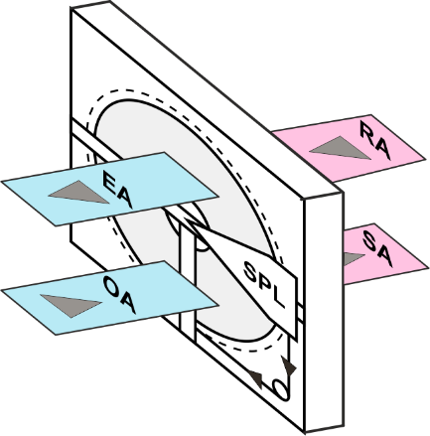
 |  | Total net, prepayment: |  |  | CHF | 0.00
 |  |  |  |  |  |  |  |  | Thermic rotor |  |  | HEH-SR-G
 |  |  |  |  |  |  |  |  | Sorption rotor
 |  |  |  |  |  |  |  |  | Desiccant rotor
 |  |  |  |  |  |  |  |  | Desiccant rotor system |  |  | Applicable for any gases, such as air, which contain environmentally harmful vapors, which can be condensed and separated by cooling. The vapors are in practice mixtures of water vapor and environmentally harmful vapors such as acetone. For this, the laws of Raoult and Dalton are used, which describe how the partial pressure of this mixture can be calculated. | Microchannel-Fin coil refrigerant DX-Evaporator

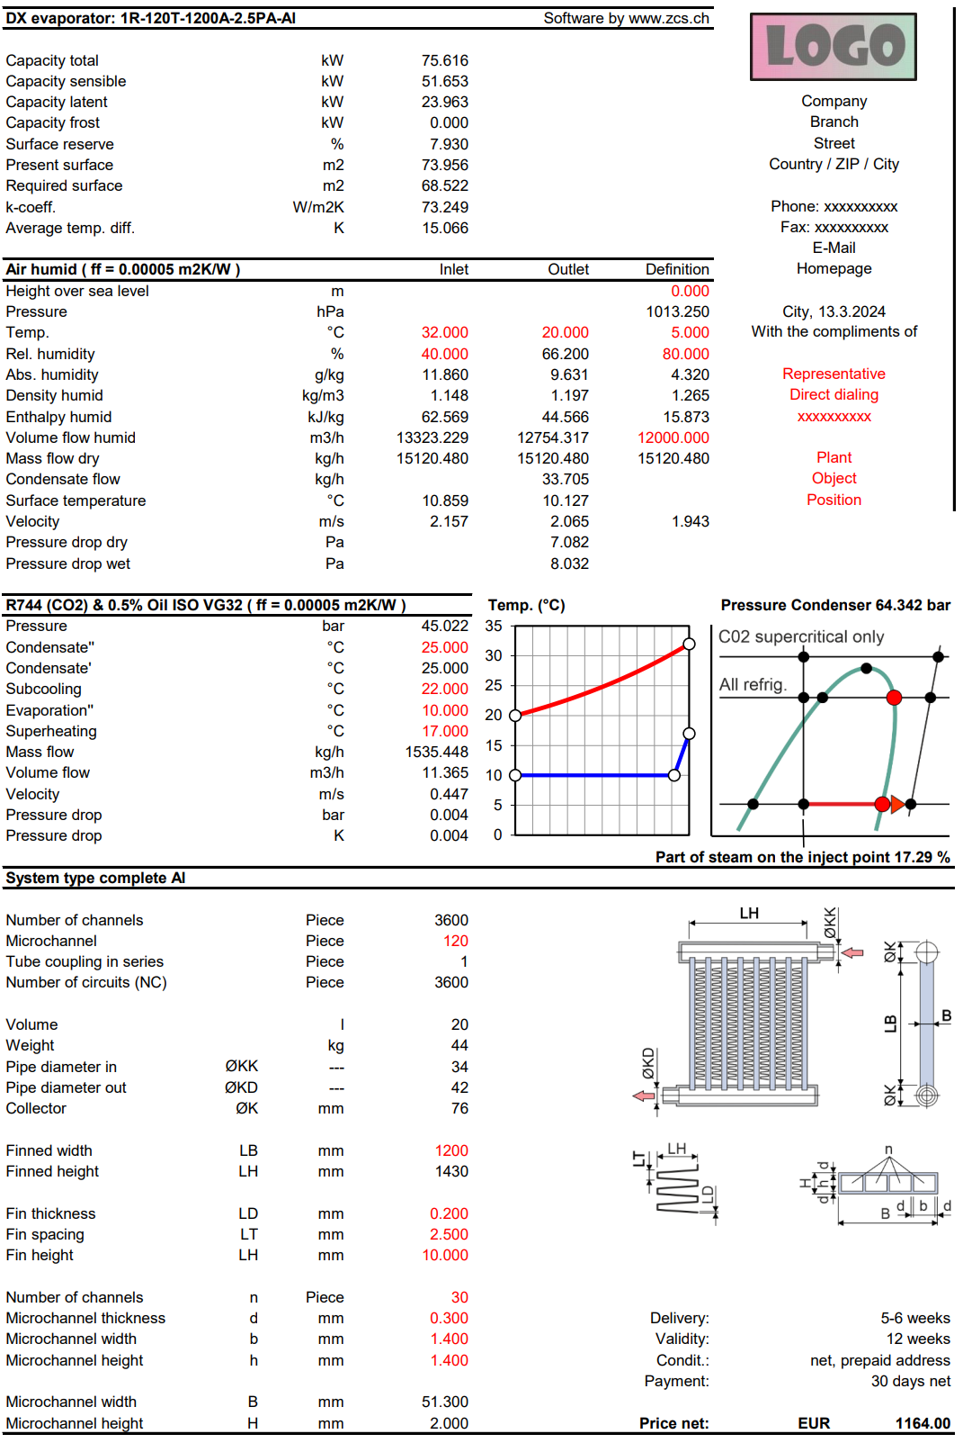
 |  |  |  |  |  | Zeller Consulting Suisse GmbH
 |  |  |  |  |  | HVAC solutions
 |  |  |  |  |  | Marin Zeller
 |  |  |  |  |  | Jurastrasse 35
 |  |  |  |  |  | CH-3063 Ittigen

 |  |  |  |  |  | www.zcs.ch |  |  |  |  |  | Example: t = 30 °C
 |  |  |  |  |  | info@zcs.ch
 |  |  |  |  |  | +41 (0)79 222 66 42 |  |  |  |  |  | Acetone: xA = 0.2, pA = 37960 Pa
 |  |  |  |  |  |  |  |  | Little used energy recovery systems |  |  | Water: xB = 0.8, pB = 4247 Pa
 |  |  |  |  |  |  |  |  |  |  |  | Mixture: p = 0.2 x 37960 + 0.8 x 4247 = 10990 Pa
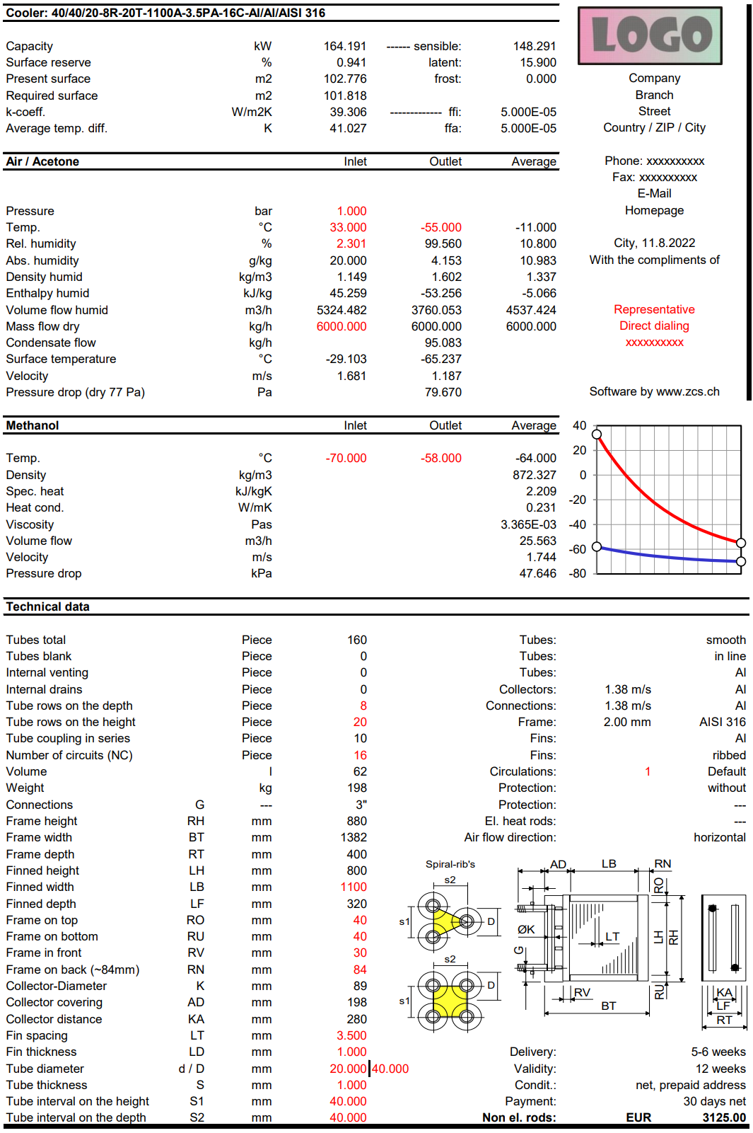
 |  |  |  |  |  |  |  |  | Thermic regenerator
 |  |  |  |  |  |  |  |  | Sorption regenerator
 |  |  |  |  |  |  |  |  | Desiccant regenerator
 |  |  |  |  |  |  |  |  | Desiccant regenerator system

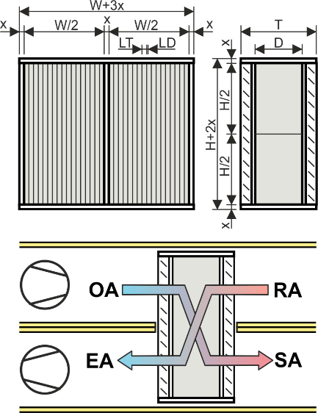

 |  |  |  |  |  |  |  |  |  |  |  |  | Microchannel-Fin coil air heater with liquid agents
 |  |  |  |  |  |  |  |  |  |  |  |  | Microchannel-Fin coil air cooler with liquid agents

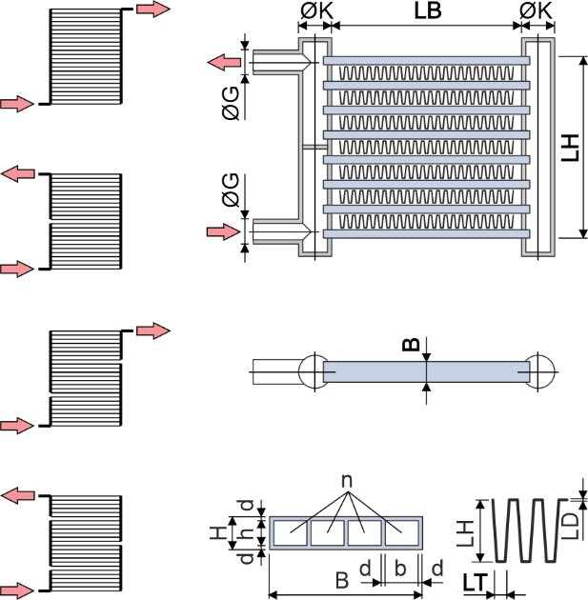

 |  |  |  |  |  |  |  |  | Rarely used energy recovery systems

 |  |  |  |  |  |  |  |  | Smooth tube HE air to air 1 cross flow exhaust outside
 |  |  |  |  |  |  |  |  | Smooth tube HE air to air 2 cross flow exhaust outside
 |  |  |  |  |  |  |  |  | Smooth tube HE air to air 1 cross flow exhaust inside
 |  |  |  |  |  |  |  |  | Smooth tube HE air to air 2 cross flow exhaust inside
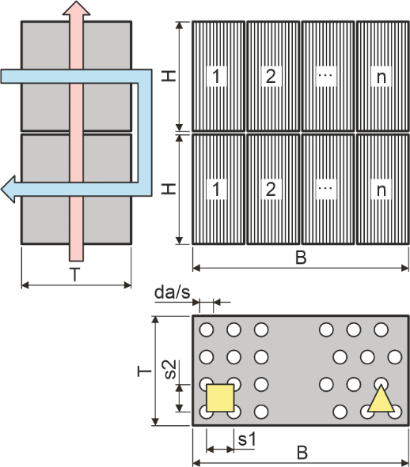

 |  |  |  |  |  |  |  |  | ESH

